PONDERACION R2
COMPARATIVA PONDERACIONES

1. Optimización por R^2 | 1. Optimización por R/R



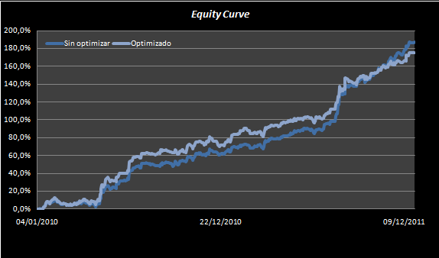
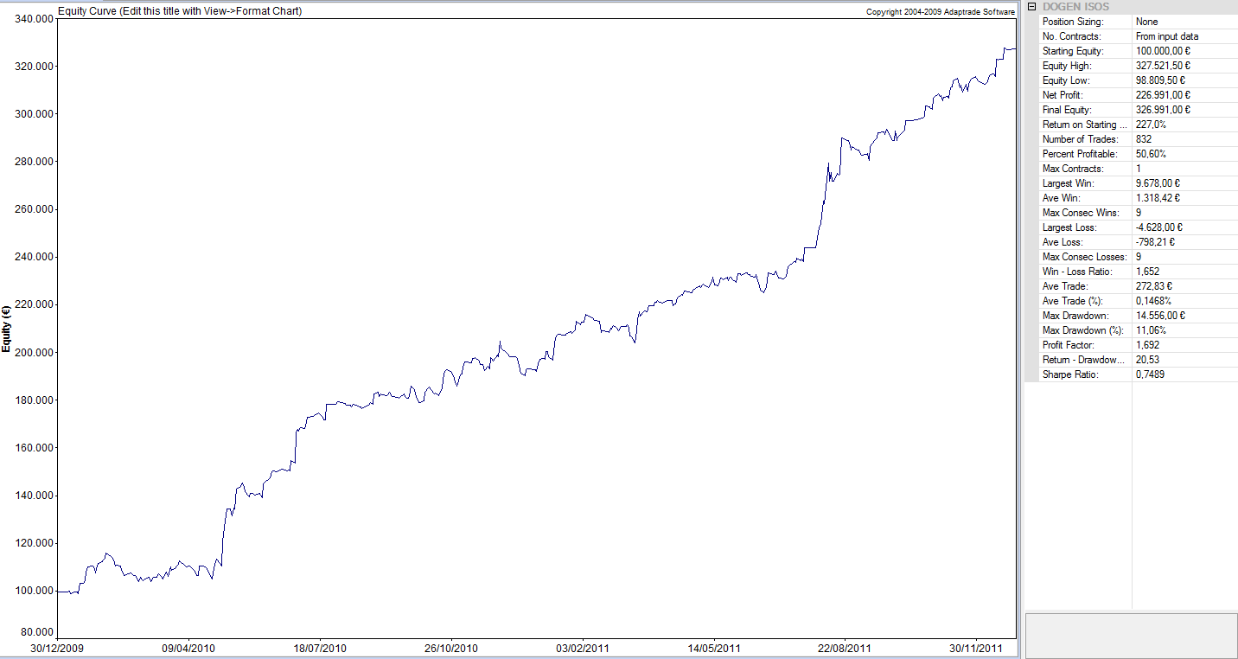
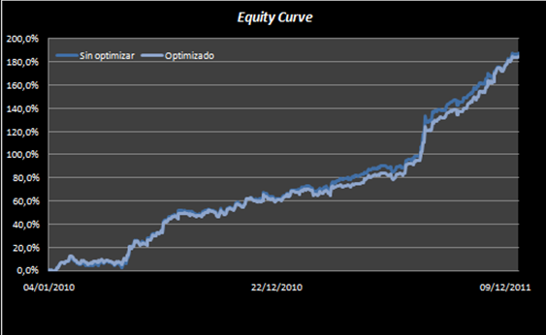
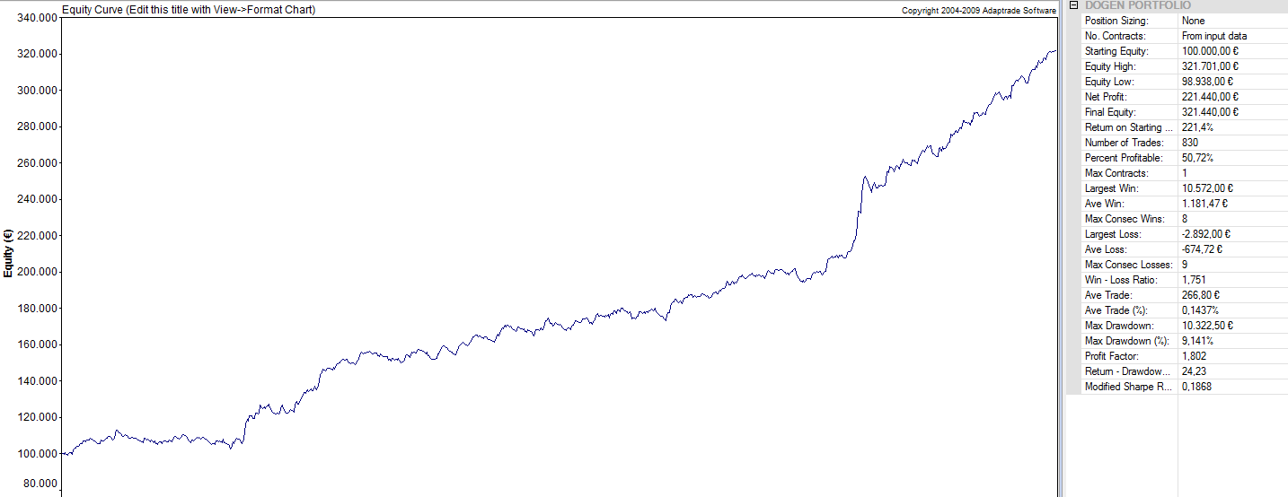

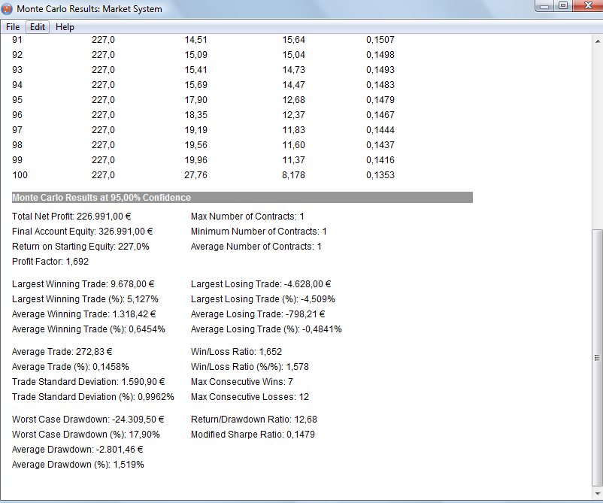
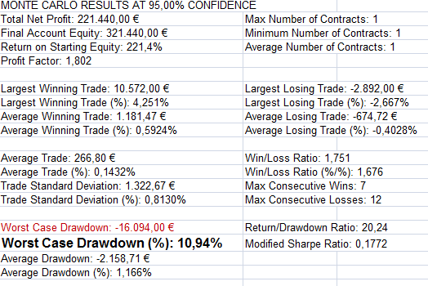
El DD de Montecarlo en el caso de la ponderación mediante R^2 resulta ser mayor que en el caso de optimización por R/R. Mantenemos dicha ponderación, por tanto

ENFOQUE
CAPTURAS DE PANTALLA DE OUT OF SAMPLE DE CARTERA DOGEN

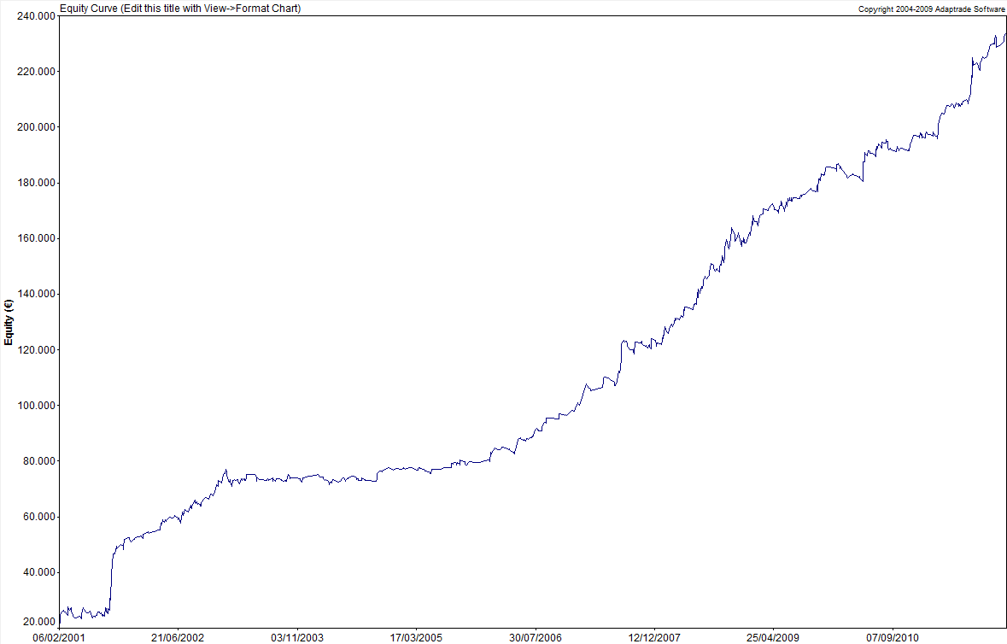

Esto es lo que se está haciendo: Hemos ponderado la cartera en función del R/R de los resultados OS en base diaria de los distintos sistema-activo. Luego hemos realizado la cartera con dichas ponderaciones y le hemos incluido el IS . Obtenemos la siguiente curva.

DAX x 1

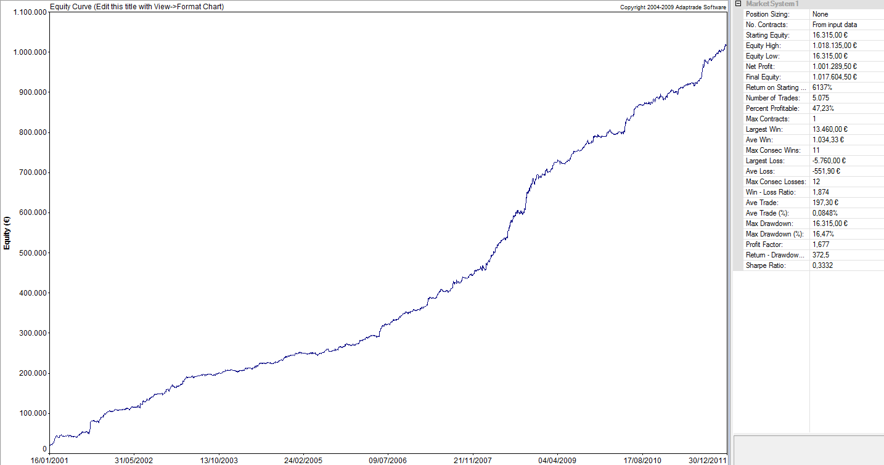
OUT SAMPLE

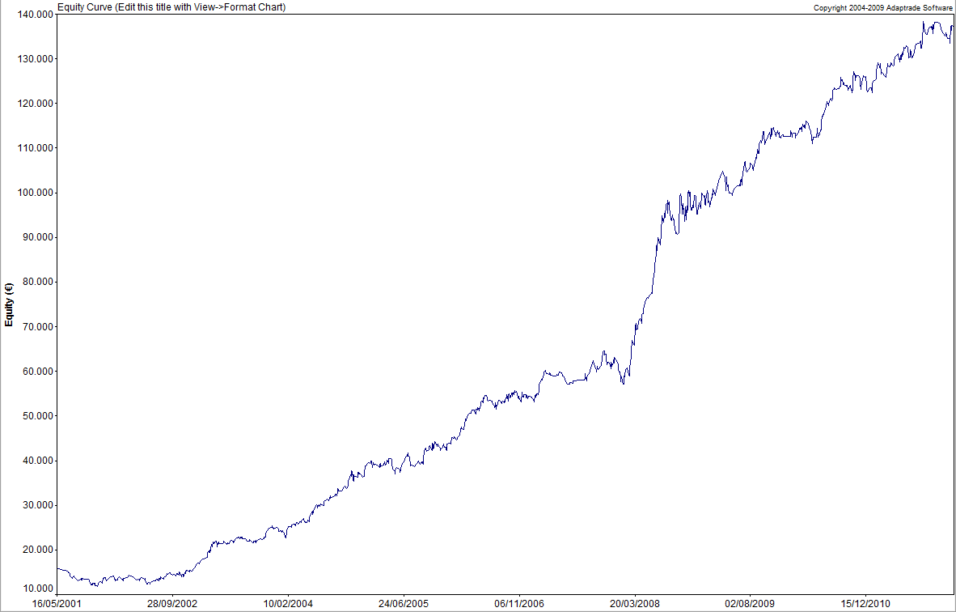

CL x 1

IBEX x 1
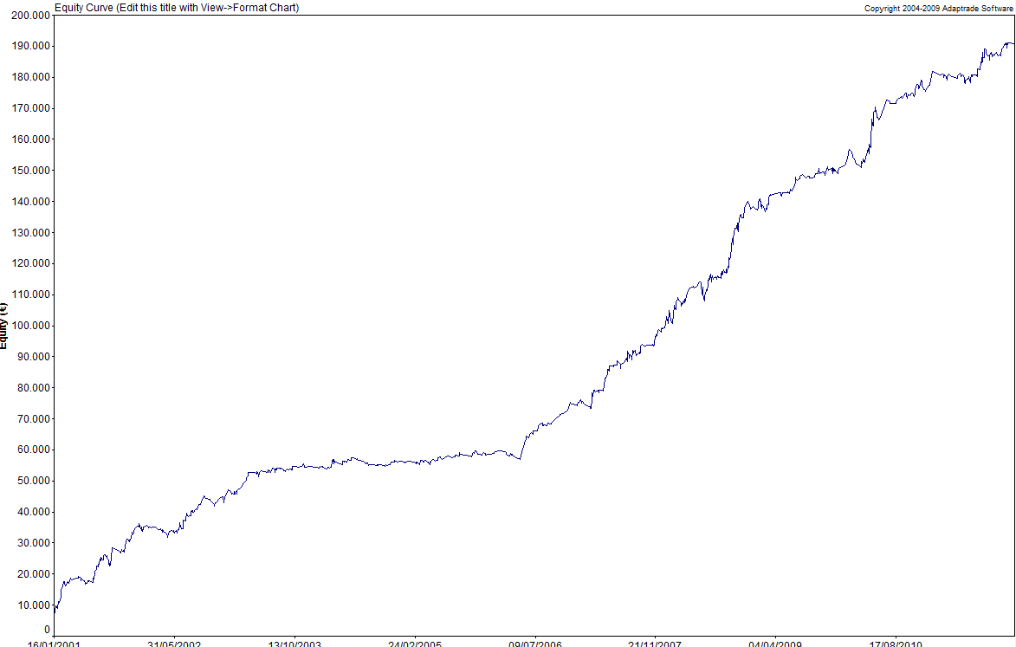

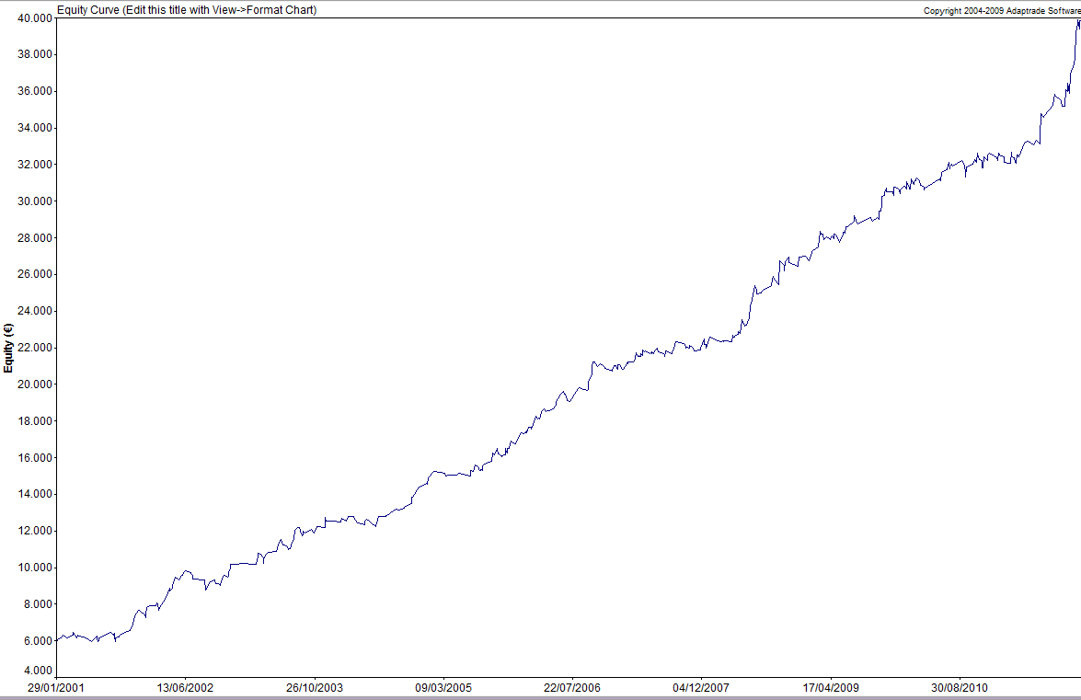

FGBL x 5

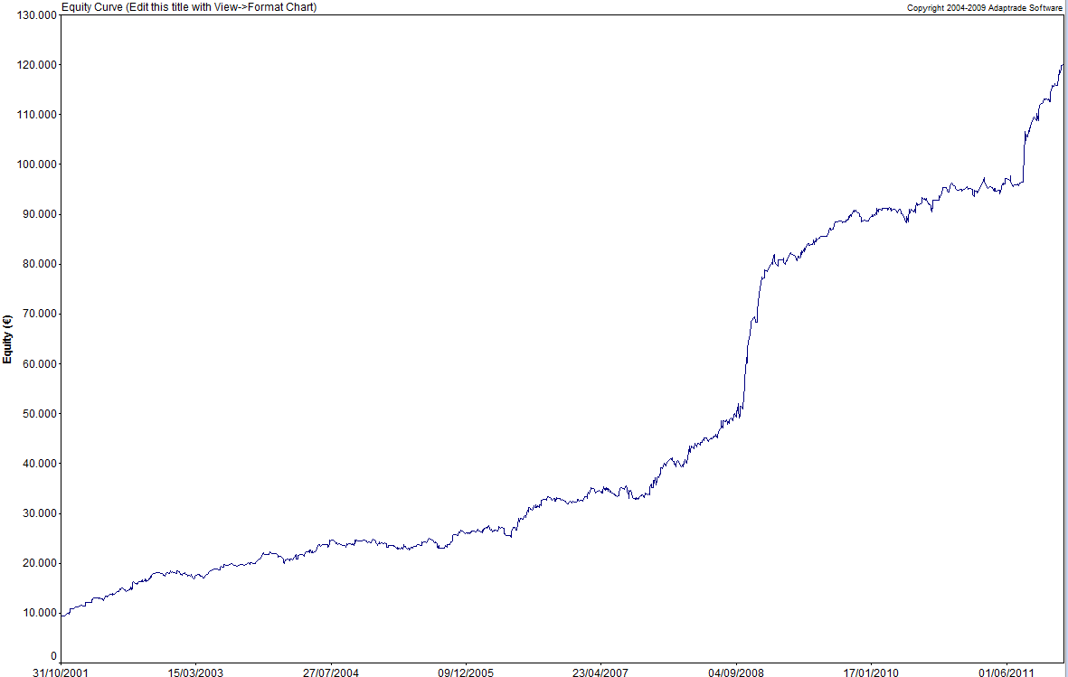

TF x 2

Limitacion Garantías
Sistema | DOGEN
Periodo
 | Out of Sample: |  | 2010-2012
 | In Sample: |  | 2001-2010

Tipo de WF | WF I: 2 años-6 meses

Mercado |  | IBEX | BUND | CL | DAX | TF |  | MAX GARANTIAS PORTFOLIO
Nº contratos |  | 1 | 5 | 1 | 1 | 2
Garantías |  | 5,000 | 1,500 | 4,000 | 8,000 | 3,500 |  | 31,500 €

Peor Perdida |  | 1,800 | 161 | 2,314 | 1,915 | 1,446 |  | 9,726 €

Max DD. Montecarlo 95% |  |  |  |  |  |  | 16,094 €

Factor Corrector DD |  | 1.3

Capital Mínimo Portfolio |  | 74,516 € | Redondeamos al alza |  | CAPITAL ESTIMADO |  | 75,000 €

Money Management Empleado: |  |  | FIXED RATIO |  | FORMULA

Límite de las garantías:

TABLA DE ASIGNACION DEL CAPITAL (ver pags 324-326 del Manual I)

Desde del punto de vista del MM es mucho más interesante capitalizar más la cuenta a cambio de disminudir la delta.
 |  |  |  | CAPITAL
 |  | 75,000 | 87,500 | 100,000 | 112,500 | 125,000
 | n (max) = | 4.19 | 5.00 | 5.80 | 6.60 | 7.40
 | δ = | 8,527 € | 7,000 € | 5,941 € | 5,162 € | 4,565 €
 | δ mínima operativa = | 18,253 € | 16,726 € | 15,667 € | 14,888 € | 14,291 €

Tenemos en cuenta la máxima pérdida que podríamos sufrir (muy improbable pero posible) para que no nos cierren por falta de garantías

Selección

OPTIMIZACION IN SAMPLE
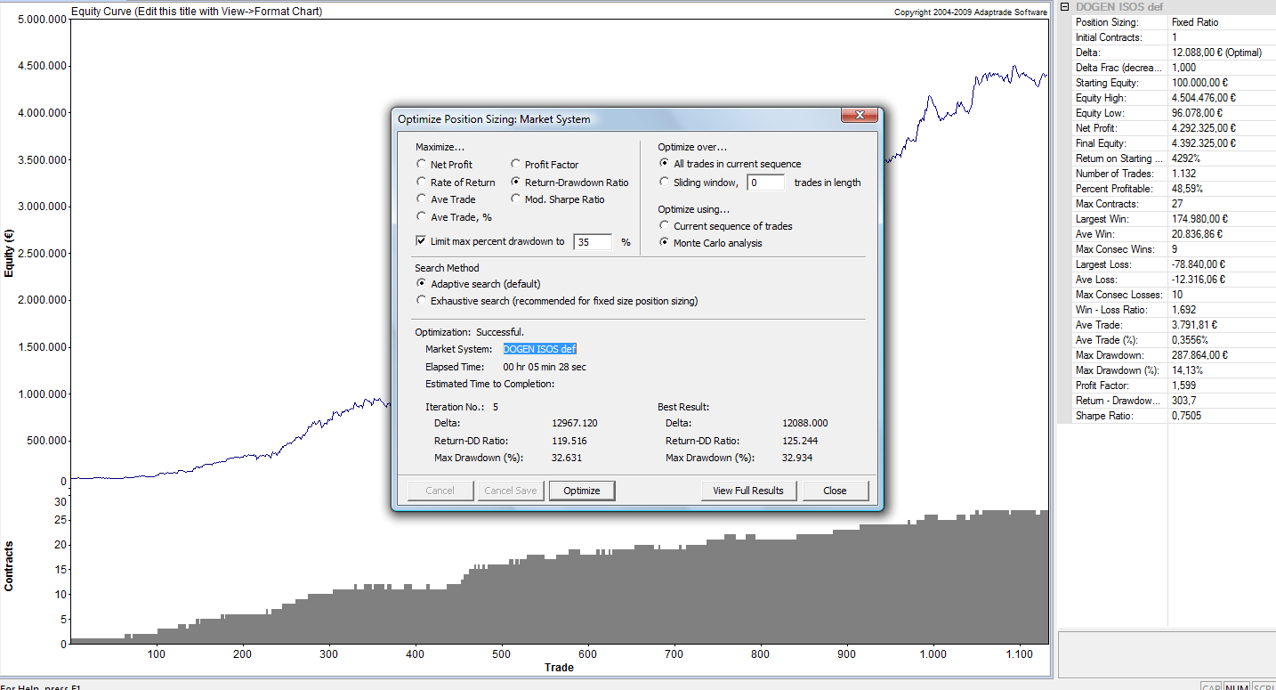
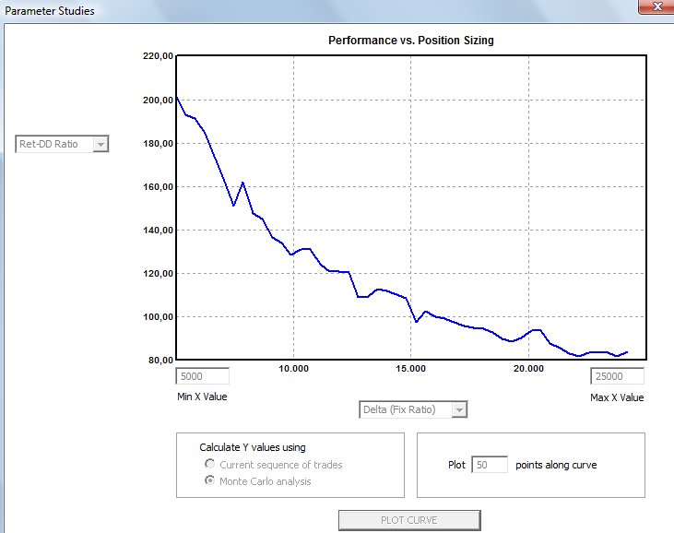
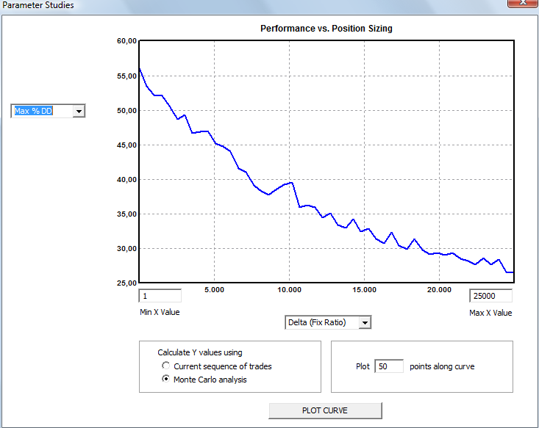
Aquí vemos cómo se hace la optimización In sample para aplicar al primer periodo del Out of Sample. con el resto de periodos se hace de manera idéntica. Pag 324. Pto 5.3.2.
OPTIMIZACION IN SAMPLE

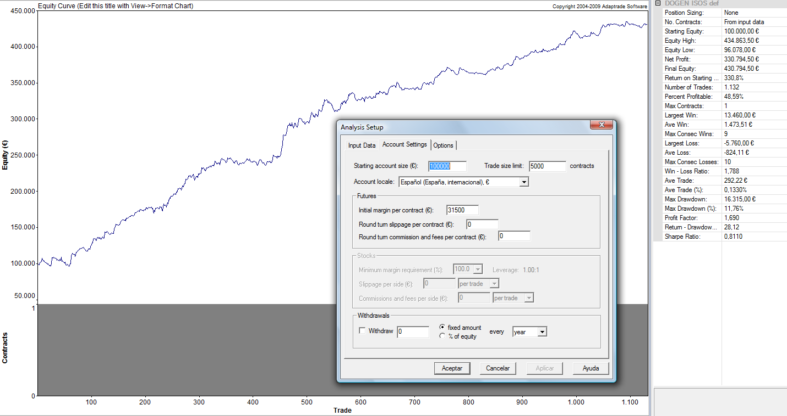
Cartera | DOGEN

Mercados: | IBEX | BUND | CL | DAX | TF
Contratos | 1 | 5 | 1 | 1 | 2

Presuponemos un Max DD admisible para el inversor tipo de un 35%. Este dato proviene de la Planificiación de cada invesor
Periodo | 2008-01-01 | 2010-01-01

Riesgo Máximo Permitido |  | 35%

CAPITAL : | 100,000 €

El delta óptimo es inferior al delta mínimo, por lo que escogemos el delta mínimo
Parametro óptimo |  |  | δ óptima In sample = | 12,088 €
Limite mínimo delta: |  |  | δ mínima operativa = | 15,667 €

WALKFORWARD
 | WALK-FORWARD
Vemos como se construye el Out of Sample de periodo en periodo
CARTERA | DOGEN
Periodo | 2010-2011
Tipo de WF | WF : 2 años-6 meses

Límite grarantías: |  | 15,667 €

CAPITAL INICIAL |  | 100,000 € |  | Riesgo Máximo Permitido |  | 35%
 |  |  |  |  |  |  | OBTENCIÓN DE LOS DATOS DE LA TABLA
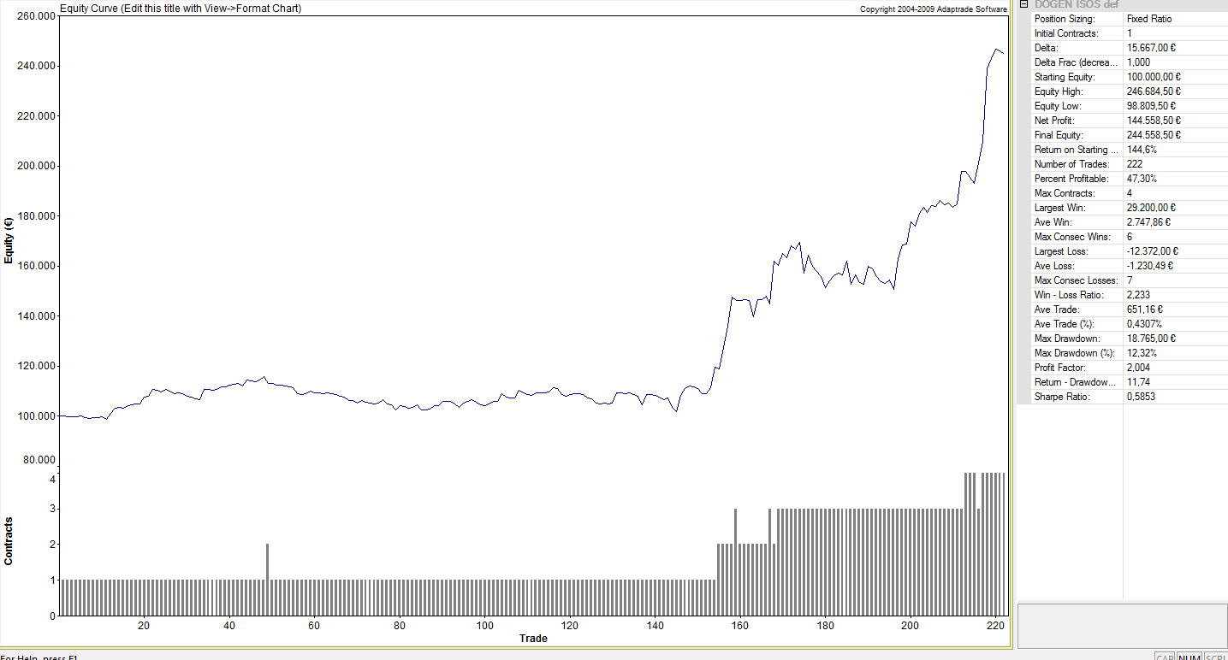
Configuramos el inicio del siguiente periodo con los capitales y número de contratos con el que acabamos el anterior
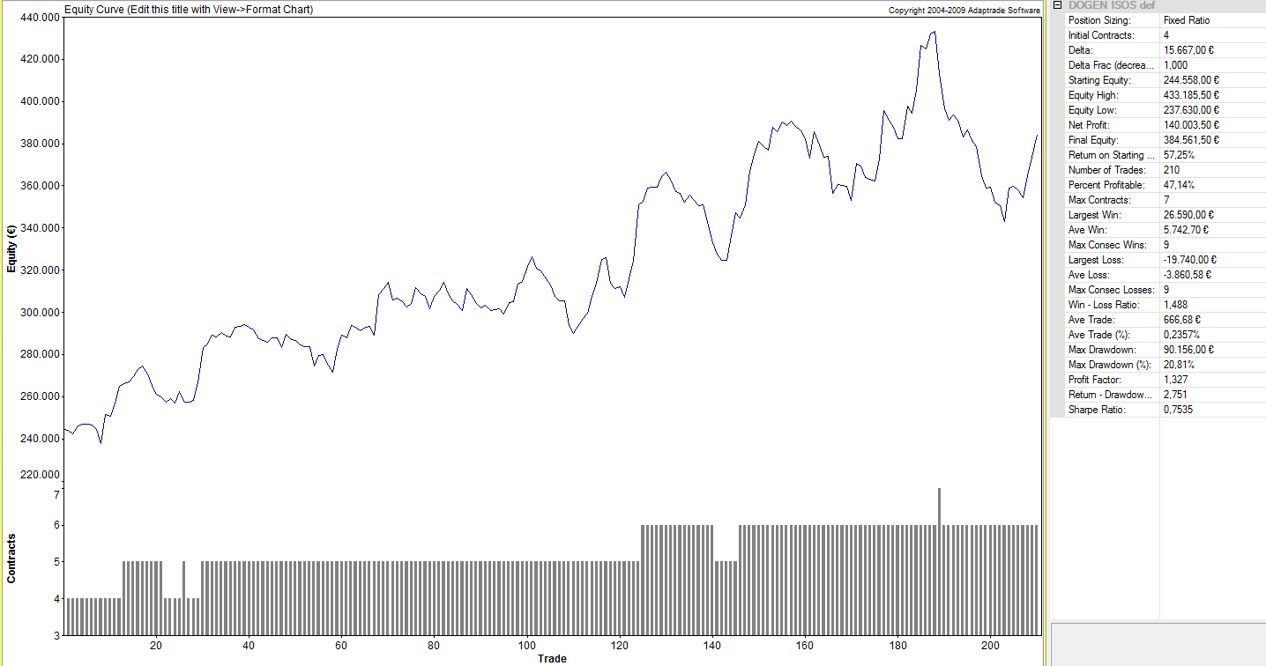
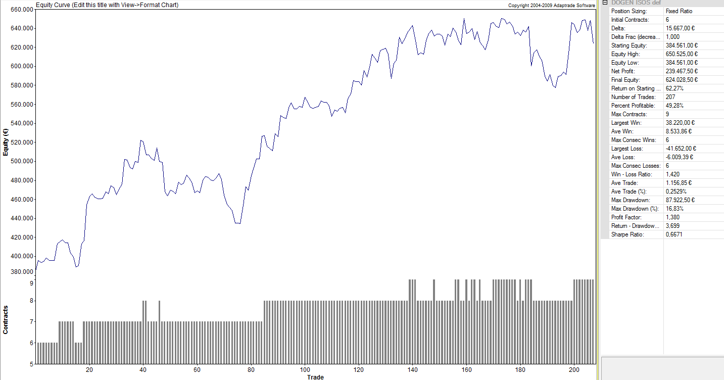
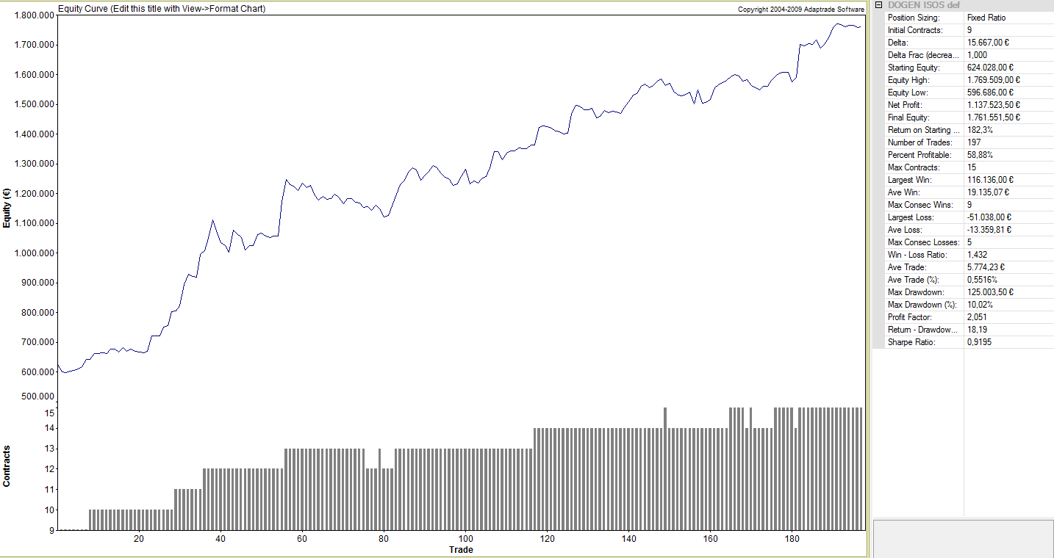
Periodo Opt In sample | 01/01/08-01/01/10 | 02/07/08-01/07/10 | 01/01/09-01/01/11 | 01/07/09-01/07/11

δ óptima | 11,105 € | 13,286 € | 10,090 € | 12,088 €
δ seleccionada | 15,667 € | 15,667 € | 15,667 € | 15,667 €

Periodo Opt | 01/01/08-01/01/10 | 02/07/08-01/07/10 | 01/01/09-01/01/11 | 01/07/09-01/07/11 | MEDIAS | DesvTipica
Periodo OS | 01/01/10-01/07/10 | 02/07/10-01/01/11 | 01/01/11-01/07/11 | 02/07/11-01/01/12
Ratio | 11.73 | 2.75 | 3.70 | 18.19 | 9.09 | 7.28
Net Profit | 144,559 | 140,003 | 239,468 | 1,137,524 | 415,388 | 483602.18
Net Profit Porc. | 144.56% | 57.25% | 62.27% | 182.29% | 111.59%
DD Porc. Ptos | 12.32% | 20.81% | 16.83% | 10.02% | 15.00%
Peor Negocio | 7.31% | 4.56% | 6.49% | 3.98% | 0.04 | 0.02
Gan/Neg. | 0.43% | 0.24% | 0.25% | 0.55% | 0.00 | 0.00
Profit Factor | 2.00 | 1.33 | 1.38 | 2.05 | 1.69 | 0.39
Win/Loss | 2.23 | 1.49 | 1.42 | 1.43 | 1.64 | 0.39
Fiabilidad (%) | 47.30 | 47.14 | 49.28 | 58.88 | 50.65 | 5.57
ESM | 0.53 | 0.17 | 0.19 | 0.43 | 0.33 | 0.18
Nº Negocios | 222 | 210 | 207 | 197 | 209.00 | 10.30

Capital Inicial | 100,000 € | 244,559 € | 384,562 € | 624,029 €
Capital Final | 244,559 € | 384,562 € | 624,029 € | 1,761,553 €

 |  |  |  |  |  |  |  |  |  |  |  |  |  |  |  |  |  |  |  |  |  |  |  |  |  |  | MARKET SYSTEM: DOGEN ISOS DEF |  |  |  |  |  |  |  |  |  | MARKET SYSTEM: DOGEN ISOS DEF
 |  |  |  |  |  |  | MARKET SYSTEM: DOGEN ISOS DEF |  |  |  |  |  |  |  |  |  | MARKET SYSTEM: DOGEN ISOS DEF
 |  |  |  |  |  |  |  |  |  |  |  |  |  |  |  |  |  |  |  |  |  |  |  |  |  |  | ACCOUNT SETTINGS |  |  |  |  |  |  |  |  |  | ACCOUNT SETTINGS
 |  |  |  |  |  |  | ACCOUNT SETTINGS |  |  |  |  |  |  |  |  |  | ACCOUNT SETTINGS |  |  |  |  |  |  |  |  |  | Starting Equity: 384.561,00 € |  |  |  |  |  |  |  |  |  | Starting Equity: 624.028,00 €
 |  |  |  |  |  |  | Starting Equity: 100.000,00 € |  |  |  |  |  |  |  |  |  | Starting Equity: 244.558,00 € |  |  |  |  |  |  |  |  |  | Trading Vehicle: Futures |  |  |  |  |  |  |  |  |  | Trading Vehicle: Futures
 |  |  |  |  |  |  | Trading Vehicle: Futures |  |  |  |  |  |  |  |  |  | Trading Vehicle: Futures |  |  |  |  |  |  |  |  |  | Initial Margin: 31.500,00 € |  |  |  |  |  |  |  |  |  | Initial Margin: 31.500,00 €
 |  |  |  |  |  |  | Initial Margin: 31.500,00 € |  |  |  |  |  |  |  |  |  | Initial Margin: 31.500,00 € |  |  |  |  |  |  |  |  |  | Round-turn slippage per contract: 0,00 € |  |  |  |  |  |  |  |  |  | Round-turn slippage per contract: 0,00 €
 |  |  |  |  |  |  | Round-turn slippage per contract: 0,00 € |  |  |  |  |  |  |  |  |  | Round-turn slippage per contract: 0,00 € |  |  |  |  |  |  |  |  |  | Round-turn commissions and fees per contract: 0,00 € |  |  |  |  |  |  |  |  |  | Round-turn commissions and fees per contract: 0,00 €
 |  |  |  |  |  |  | Round-turn commissions and fees per contract: 0,00 € |  |  |  |  |  |  |  |  |  | Round-turn commissions and fees per contract: 0,00 €
 |  |  |  |  |  |  |  |  |  |  |  |  |  |  |  |  |  |  |  |  |  |  |  |  |  |  | INPUT DATA SETTINGS |  |  |  |  |  |  |  |  |  | INPUT DATA SETTINGS
 |  |  |  |  |  |  | INPUT DATA SETTINGS |  |  |  |  |  |  |  |  |  | INPUT DATA SETTINGS |  |  |  |  |  |  |  |  |  | Profit/loss and risk calculated from P/L and risk inputs. |  |  |  |  |  |  |  |  |  | Profit/loss and risk calculated from P/L and risk inputs.
 |  |  |  |  |  |  | Profit/loss and risk calculated from P/L and risk inputs. |  |  |  |  |  |  |  |  |  | Profit/loss and risk calculated from P/L and risk inputs. |  |  |  |  |  |  |  |  |  | Trades File: C:\Users\CPM\OQM\CURSO\MODULO II Ed 2\DOGEN\4. Money Management\MSATrades-229201211557.csv |  |  |  |  |  |  |  |  |  | Trades File: C:\Users\CPM\OQM\CURSO\MODULO II Ed 2\DOGEN\4. Money Management\MSATrades-229201211557.csv
 |  |  |  |  |  |  | Trades File: C:\Users\CPM\OQM\CURSO\MODULO II Ed 2\DOGEN\4. Money Management\MSATrades-229201211557.csv |  |  |  |  |  |  |  |  |  | Trades File: C:\Users\CPM\OQM\CURSO\MODULO II Ed 2\DOGEN\4. Money Management\MSATrades-229201211557.csv
 |  |  |  |  |  |  |  |  |  |  |  |  |  |  |  |  |  |  |  |  |  |  |  |  |  |  | POSITION SIZING SETTINGS & RULES |  |  |  |  |  |  |  |  |  | POSITION SIZING SETTINGS & RULES
 |  |  |  |  |  |  | POSITION SIZING SETTINGS & RULES |  |  |  |  |  |  |  |  |  | POSITION SIZING SETTINGS & RULES |  |  |  |  |  |  |  |  |  | Position Sizing Method: Fixed Ratio |  |  |  |  |  |  |  |  |  | Position Sizing Method: Fixed Ratio
 |  |  |  |  |  |  | Position Sizing Method: Fixed Ratio |  |  |  |  |  |  |  |  |  | Position Sizing Method: Fixed Ratio |  |  |  |  |  |  |  |  |  | Initial Contracts: 6 |  |  |  |  |  |  |  |  |  | Initial Contracts: 9
 |  |  |  |  |  |  | Initial Contracts: 1 |  |  |  |  |  |  |  |  |  | Initial Contracts: 4 |  |  |  |  |  |  |  |  |  | Delta: 15.667,00 € |  |  |  |  |  |  |  |  |  | Delta: 15.667,00 €
 |  |  |  |  |  |  | Delta: 15.667,00 € |  |  |  |  |  |  |  |  |  | Delta: 15.667,00 €

 |  |  |  |  |  |  |  |  |  |  |  |  |  |  |  |  |  |  |  |  |  |  |  |  |  |  |  | ALL TRADES |  |  |  |  |  |  |  |  |  | ALL TRADES
 |  |  |  |  |  |  |  | ALL TRADES |  |  |  |  |  |  |  |  |  | ALL TRADES |  |  |  |  |  |  |  |  | Total Net Profit | 239,467.50 € |  |  |  |  |  |  |  |  | Total Net Profit | 1,137,523.50 €
 |  |  |  |  |  |  | Total Net Profit | 144,558.50 € |  |  |  |  |  |  |  |  | Total Net Profit | 140,003.50 € |  |  |  |  |  |  |  |  | Gross Profit | 870,453.50 € |  |  |  |  |  |  |  |  | Gross Profit | 2,219,668.00 €
 |  |  |  |  |  |  | Gross Profit | 288,525.50 € |  |  |  |  |  |  |  |  | Gross Profit | 568,527.50 € |  |  |  |  |  |  |  |  | Gross Loss | -630,986.00 € |  |  |  |  |  |  |  |  | Gross Loss | -1,082,144.50 €
 |  |  |  |  |  |  | Gross Loss | -143,967.00 € |  |  |  |  |  |  |  |  | Gross Loss | -428,524.00 € |  |  |  |  |  |  |  |  | Profit Factor | 1.38 |  |  |  |  |  |  |  |  | Profit Factor | 2.051
 |  |  |  |  |  |  | Profit Factor | 2.00 € |  |  |  |  |  |  |  |  | Profit Factor | 1.327 |  |  |  |  |  |  |  |  | Pessimistic Return Ratio | 1.132 |  |  |  |  |  |  |  |  | Pessimistic Return Ratio | 1.675
 |  |  |  |  |  |  | Pessimistic Return Ratio | 1.66 € |  |  |  |  |  |  |  |  | Pessimistic Return Ratio | 1.09
 |  |  |  |  |  |  |  |  |  |  |  |  |  |  |  |  |  |  |  |  |  |  |  |  |  |  | Trading Period | 31/12/2010 to 01/07/2011 (182 days 0 min) |  |  |  |  |  |  |  |  | Trading Period | 01/07/2011 to 30/12/2011 (182 days 0 min)
 |  |  |  |  |  |  | Trading Period | 30/12/2009 to 01/07/2010 (183 days 0 min) |  |  |  |  |  |  |  |  | Trading Period | 01/07/2010 to 31/12/2010 (183 days 0 min) |  |  |  |  |  |  |  |  | Starting Account Equity | 384,561.00 € |  |  |  |  |  |  |  |  | Starting Account Equity | 624,028.00 €
 |  |  |  |  |  |  | Starting Account Equity | 100,000.00 € |  |  |  |  |  |  |  |  | Starting Account Equity | 244,558.00 € |  |  |  |  |  |  |  |  | Highest Closed Trade Equity | 650,525.00 € |  |  |  |  |  |  |  |  | Highest Closed Trade Equity | 1,769,509.00 €
 |  |  |  |  |  |  | Highest Closed Trade Equity | 246,684.50 € |  |  |  |  |  |  |  |  | Highest Closed Trade Equity | 433,185.50 € |  |  |  |  |  |  |  |  | Lowest Closed Trade Equity | 384,561.00 € |  |  |  |  |  |  |  |  | Lowest Closed Trade Equity | 596,686.00 €
 |  |  |  |  |  |  | Lowest Closed Trade Equity | 98,809.50 € |  |  |  |  |  |  |  |  | Lowest Closed Trade Equity | 237,630.00 € |  |  |  |  |  |  |  |  | Additions to Equity | 0.00 € |  |  |  |  |  |  |  |  | Additions to Equity | 0.00 €
 |  |  |  |  |  |  | Additions to Equity | 0.00 € |  |  |  |  |  |  |  |  | Additions to Equity | 0.00 € |  |  |  |  |  |  |  |  | Withdrawals From Equity | 0.00 € |  |  |  |  |  |  |  |  | Withdrawals From Equity | 0.00 €
 |  |  |  |  |  |  | Withdrawals From Equity | 0.00 € |  |  |  |  |  |  |  |  | Withdrawals From Equity | 0.00 € |  |  |  |  |  |  |  |  | Final Account Equity | 624,028.50 € |  |  |  |  |  |  |  |  | Final Account Equity | 1,761,551.50 €
 |  |  |  |  |  |  | Final Account Equity | 244,558.50 € |  |  |  |  |  |  |  |  | Final Account Equity | 384,561.50 € |  |  |  |  |  |  |  |  | Return on Starting Equity | 62.27% |  |  |  |  |  |  |  |  | Return on Starting Equity | 182.30%
 |  |  |  |  |  |  | Return on Starting Equity | 144.60% |  |  |  |  |  |  |  |  | Return on Starting Equity | 57.25%
 |  |  |  |  |  |  |  |  |  |  |  |  |  |  |  |  |  |  |  |  |  |  |  |  |  |  | Total Number of Trades | 207 |  |  |  |  |  |  |  |  | Total Number of Trades | 197
 |  |  |  |  |  |  | Total Number of Trades | 222 |  |  |  |  |  |  |  |  | Total Number of Trades | 210 |  |  |  |  |  |  |  |  | Number of Winning Trades | 102 |  |  |  |  |  |  |  |  | Number of Winning Trades | 116
 |  |  |  |  |  |  | Number of Winning Trades | 105 |  |  |  |  |  |  |  |  | Number of Winning Trades | 99 |  |  |  |  |  |  |  |  | Number of Losing Trades | 105 |  |  |  |  |  |  |  |  | Number of Losing Trades | 81
 |  |  |  |  |  |  | Number of Losing Trades | 117 |  |  |  |  |  |  |  |  | Number of Losing Trades | 111 |  |  |  |  |  |  |  |  | Trades Not Taken | 0 |  |  |  |  |  |  |  |  | Trades Not Taken | 0
 |  |  |  |  |  |  | Trades Not Taken | 0 |  |  |  |  |  |  |  |  | Trades Not Taken | 0 |  |  |  |  |  |  |  |  | Percent Profitable | 49.28% |  |  |  |  |  |  |  |  | Percent Profitable | 58.88%
 |  |  |  |  |  |  | Percent Profitable | 47.30% |  |  |  |  |  |  |  |  | Percent Profitable | 47.14% |  |  |  |  |  |  |  |  | Max Number of Contracts | 9 |  |  |  |  |  |  |  |  | Max Number of Contracts | 15
 |  |  |  |  |  |  | Max Number of Contracts | 4 |  |  |  |  |  |  |  |  | Max Number of Contracts | 7 |  |  |  |  |  |  |  |  | Minimum Number of Contracts | 6 |  |  |  |  |  |  |  |  | Minimum Number of Contracts | 9
 |  |  |  |  |  |  | Minimum Number of Contracts | 100.00% |  |  |  |  |  |  |  |  | Minimum Number of Contracts | 4 |  |  |  |  |  |  |  |  | Average Number of Contracts | 7 |  |  |  |  |  |  |  |  | Average Number of Contracts | 12
 |  |  |  |  |  |  | Average Number of Contracts | 1 |  |  |  |  |  |  |  |  | Average Number of Contracts | 5
 |  |  |  |  |  |  |  |  |  |  |  |  |  |  |  |  |  |  |  |  |  |  |  |  |  |  | Largest Winning Trade | 38,220.00 € |  |  |  |  |  |  |  |  | Largest Winning Trade | 116,136.00 €
 |  |  |  |  |  |  | Largest Winning Trade | 29,200.00 € |  |  |  |  |  |  |  |  | Largest Winning Trade | 26,590.00 € |  |  |  |  |  |  |  |  | /Percent of Equity | 9.18% |  |  |  |  |  |  |  |  | /Percent of Equity | 10.99%
 |  |  |  |  |  |  | /Percent of Equity | 13.92% |  |  |  |  |  |  |  |  | /Percent of Equity | 8.20% |  |  |  |  |  |  |  |  | Largest Winning Trade (%) | 9.18% |  |  |  |  |  |  |  |  | Largest Winning Trade (%) | 10.99%
 |  |  |  |  |  |  | Largest Winning Trade (%) | 13.92% |  |  |  |  |  |  |  |  | Largest Winning Trade (%) | 8.20% |  |  |  |  |  |  |  |  | /Trade Value | 38,220.00 € |  |  |  |  |  |  |  |  | /Trade Value | 116,136.00 €
 |  |  |  |  |  |  | /Trade Value | 29,200.00 € |  |  |  |  |  |  |  |  | /Trade Value | 26,590.00 € |  |  |  |  |  |  |  |  | Average Winning Trade | 8,533.86 € |  |  |  |  |  |  |  |  | Average Winning Trade | 19,135.07 €
 |  |  |  |  |  |  | Average Winning Trade | 2,747.86 € |  |  |  |  |  |  |  |  | Average Winning Trade | 5,742.70 € |  |  |  |  |  |  |  |  | Average Winning Trade (%) | 1.63% |  |  |  |  |  |  |  |  | Average Winning Trade (%) | 1.70%
 |  |  |  |  |  |  | Average Winning Trade (%) | 1.94% |  |  |  |  |  |  |  |  | Average Winning Trade (%) | 1.79% |  |  |  |  |  |  |  |  | Average R-Multiple, Wins | 0 |  |  |  |  |  |  |  |  | Average R-Multiple, Wins | 0
 |  |  |  |  |  |  | Average R-Multiple, Wins | 0.00 € |  |  |  |  |  |  |  |  | Average R-Multiple, Wins | 0 |  |  |  |  |  |  |  |  | Average Length of Wins | 0 sec |  |  |  |  |  |  |  |  | Average Length of Wins | 0 sec
 |  |  |  |  |  |  | Average Length of Wins | 0 sec |  |  |  |  |  |  |  |  | Average Length of Wins | 0 sec |  |  |  |  |  |  |  |  | Max Number Consecutive Wins | 6 |  |  |  |  |  |  |  |  | Max Number Consecutive Wins | 9
 |  |  |  |  |  |  | Max Number Consecutive Wins | 6 |  |  |  |  |  |  |  |  | Max Number Consecutive Wins | 9
 |  |  |  |  |  |  |  |  |  |  |  |  |  |  |  |  |  |  |  |  |  |  |  |  |  |  | Largest Losing Trade | -41,652.00 € |  |  |  |  |  |  |  |  | Largest Losing Trade | -51,038.00 €
 |  |  |  |  |  |  | Largest Losing Trade | -12,372.00 € |  |  |  |  |  |  |  |  | Largest Losing Trade | -19,740.00 € |  |  |  |  |  |  |  |  | /Percent of Equity | -6.49% |  |  |  |  |  |  |  |  | /Percent of Equity | -3.98%
 |  |  |  |  |  |  | /Percent of Equity | -7.31% |  |  |  |  |  |  |  |  | /Percent of Equity | -4.56% |  |  |  |  |  |  |  |  | Largest Losing Trade (%) | -6.49% |  |  |  |  |  |  |  |  | Largest Losing Trade (%) | -4.11%
 |  |  |  |  |  |  | Largest Losing Trade (%) | -7.31% |  |  |  |  |  |  |  |  | Largest Losing Trade (%) | -4.72% |  |  |  |  |  |  |  |  | /Trade Value | -41,652.00 € |  |  |  |  |  |  |  |  | /Trade Value | -43,200.00 €
 |  |  |  |  |  |  | /Trade Value | -12,372.00 € |  |  |  |  |  |  |  |  | /Trade Value | -17,664.00 € |  |  |  |  |  |  |  |  | Average Losing Trade | -6,009.39 € |  |  |  |  |  |  |  |  | Average Losing Trade | -13,359.81 €
 |  |  |  |  |  |  | Average Losing Trade | -1,230.49 € |  |  |  |  |  |  |  |  | Average Losing Trade | -3,860.58 € |  |  |  |  |  |  |  |  | Average Losing Trade (%) | -1.08% |  |  |  |  |  |  |  |  | Average Losing Trade (%) | -1.09%
 |  |  |  |  |  |  | Average Losing Trade (%) | -0.92% |  |  |  |  |  |  |  |  | Average Losing Trade (%) | -1.15% |  |  |  |  |  |  |  |  | Average R-Multiple, Losses | 0 |  |  |  |  |  |  |  |  | Average R-Multiple, Losses | 0
 |  |  |  |  |  |  | Average R-Multiple, Losses | 0.00 € |  |  |  |  |  |  |  |  | Average R-Multiple, Losses | 0 |  |  |  |  |  |  |  |  | Average Length of Losses | 0 sec |  |  |  |  |  |  |  |  | Average Length of Losses | 0 sec
 |  |  |  |  |  |  | Average Length of Losses | 0 sec |  |  |  |  |  |  |  |  | Average Length of Losses | 0 sec |  |  |  |  |  |  |  |  | Max Number Consecutive Losses | 6 |  |  |  |  |  |  |  |  | Max Number Consecutive Losses | 5
 |  |  |  |  |  |  | Max Number Consecutive Losses | 7 |  |  |  |  |  |  |  |  | Max Number Consecutive Losses | 9
 |  |  |  |  |  |  |  |  |  |  |  |  |  |  |  |  |  |  |  |  |  |  |  |  |  |  | Average Trade (Expectation) | 1,156.85 € |  |  |  |  |  |  |  |  | Average Trade (Expectation) | 5,774.23 €
 |  |  |  |  |  |  | Average Trade (Expectation) | 651.16 € |  |  |  |  |  |  |  |  | Average Trade (Expectation) | 666.68 € |  |  |  |  |  |  |  |  | Average Trade (%) | 0.25% |  |  |  |  |  |  |  |  | Average Trade (%) | 0.55%
 |  |  |  |  |  |  | Average Trade (%) | 0.43% |  |  |  |  |  |  |  |  | Average Trade (%) | 0.24% |  |  |  |  |  |  |  |  | Trade Standard Deviation | 10,303.58 € |  |  |  |  |  |  |  |  | Trade Standard Deviation | 24,375.33 €
 |  |  |  |  |  |  | Trade Standard Deviation | 3,683.98 € |  |  |  |  |  |  |  |  | Trade Standard Deviation | 6,696.67 € |  |  |  |  |  |  |  |  | Trade Standard Deviation (%) | 1.95% |  |  |  |  |  |  |  |  | Trade Standard Deviation (%) | 2.20%
 |  |  |  |  |  |  | Trade Standard Deviation (%) | 2.37% |  |  |  |  |  |  |  |  | Trade Standard Deviation (%) | 2.01%
 |  |  |  |  |  |  |  |  |  |  |  |  |  |  |  |  |  |  |  |  |  |  |  |  |  |  | Win/Loss Ratio | 1.42 |  |  |  |  |  |  |  |  | Win/Loss Ratio | 1.432
 |  |  |  |  |  |  | Win/Loss Ratio | 2.23 |  |  |  |  |  |  |  |  | Win/Loss Ratio | 1.488 |  |  |  |  |  |  |  |  | Win/Loss Ratio (%/%) | 1.504 |  |  |  |  |  |  |  |  | Win/Loss Ratio (%/%) | 1.555
 |  |  |  |  |  |  | Win/Loss Ratio (%/%) | 2.104 |  |  |  |  |  |  |  |  | Win/Loss Ratio (%/%) | 1.556 |  |  |  |  |  |  |  |  | Return/Drawdown Ratio | 3.699 |  |  |  |  |  |  |  |  | Return/Drawdown Ratio | 18.19
 |  |  |  |  |  |  | Return/Drawdown Ratio | 11.74 |  |  |  |  |  |  |  |  | Return/Drawdown Ratio | 2.751 |  |  |  |  |  |  |  |  | Modified Sharpe Ratio | 0.1296 |  |  |  |  |  |  |  |  | Modified Sharpe Ratio | 0.2508
 |  |  |  |  |  |  | Modified Sharpe Ratio | 0.1817 |  |  |  |  |  |  |  |  | Modified Sharpe Ratio | 0.1171 |  |  |  |  |  |  |  |  | Sharpe Ratio | 0.6671 |  |  |  |  |  |  |  |  | Sharpe Ratio | 0.9195
 |  |  |  |  |  |  | Sharpe Ratio | 0.5853 |  |  |  |  |  |  |  |  | Sharpe Ratio | 0.7535
 |  |  |  |  |  |  |  |  |  |  |  |  |  |  |  |  |  |  |  |  |  |  |  |  |  |  | Average Risk | 0.00 € |  |  |  |  |  |  |  |  | Average Risk | 0.00 €
 |  |  |  |  |  |  | Average Risk | 0.00 € |  |  |  |  |  |  |  |  | Average Risk | 0.00 € |  |  |  |  |  |  |  |  | Average Risk (%) | 0.00% |  |  |  |  |  |  |  |  | Average Risk (%) | 0.00%
 |  |  |  |  |  |  | Average Risk (%) | 0.00% |  |  |  |  |  |  |  |  | Average Risk (%) | 0.00% |  |  |  |  |  |  |  |  | Average R-Multiple (Expectancy) | 0 |  |  |  |  |  |  |  |  | Average R-Multiple (Expectancy) | 0
 |  |  |  |  |  |  | Average R-Multiple (Expectancy) | 0.00 € |  |  |  |  |  |  |  |  | Average R-Multiple (Expectancy) | 0 |  |  |  |  |  |  |  |  | R-Multiple Standard Deviation | 0 |  |  |  |  |  |  |  |  | R-Multiple Standard Deviation | 0
 |  |  |  |  |  |  | R-Multiple Standard Deviation | 0.00% |  |  |  |  |  |  |  |  | R-Multiple Standard Deviation | 0 |  |  |  |  |  |  |  |  | Average Margin | 242,717.39 € |  |  |  |  |  |  |  |  | Average Margin | 405,822.34 €
 |  |  |  |  |  |  | Average Margin | 50,513.51 € |  |  |  |  |  |  |  |  | Average Margin | 166,950.00 € |  |  |  |  |  |  |  |  | Average Margin (%) | 44.92% |  |  |  |  |  |  |  |  | Average Margin (%) | 33.84%
 |  |  |  |  |  |  | Average Margin (%) | 37.53% |  |  |  |  |  |  |  |  | Average Margin (%) | 51.94% |  |  |  |  |  |  |  |  | Max Margin (%) | 54.65% |  |  |  |  |  |  |  |  | Max Margin (%) | 49.15%
 |  |  |  |  |  |  | Max Margin (%) | 64.44% |  |  |  |  |  |  |  |  | Max Margin (%) | 60.28% |  |  |  |  |  |  |  |  | /Margin Value | 220,500.00 € |  |  |  |  |  |  |  |  | /Margin Value | 315,000.00 €
 |  |  |  |  |  |  | /Margin Value | 126,000.00 € |  |  |  |  |  |  |  |  | /Margin Value | 157,500.00 € |  |  |  |  |  |  |  |  | Date of Max Margin | 2011-01-07 |  |  |  |  |  |  |  |  | Date of Max Margin | 2011-07-08
 |  |  |  |  |  |  | Date of Max Margin | 2010-06-28 |  |  |  |  |  |  |  |  | Date of Max Margin | 2010-07-20 |  |  |  |  |  |  |  |  | Average Leverage | 0 |  |  |  |  |  |  |  |  | Average Leverage | 0
 |  |  |  |  |  |  | Average Leverage | 0.00 € |  |  |  |  |  |  |  |  | Average Leverage | 0 |  |  |  |  |  |  |  |  | Risk of Ruin | 0.00% |  |  |  |  |  |  |  |  | Risk of Ruin | 0.00%
 |  |  |  |  |  |  | Risk of Ruin | 0.00% |  |  |  |  |  |  |  |  | Risk of Ruin | 0.00%
 |  |  |  |  |  |  |  |  |  |  |  |  |  |  |  |  |  |  |  |  |  |  |  |  |  |  | Average Annual Profit/Loss | 480,579.69 € |  |  |  |  |  |  |  |  | Average Annual Profit/Loss | 2,282,859.66 €
 |  |  |  |  |  |  | Average Annual Profit/Loss | 288,524.55 € |  |  |  |  |  |  |  |  | Average Annual Profit/Loss | 279,433.22 € |  |  |  |  |  |  |  |  | Ave Annual Compounded Return | 164.20% |  |  |  |  |  |  |  |  | Ave Annual Compounded Return | 702.60%
 |  |  |  |  |  |  | Ave Annual Compounded Return | 495.90% |  |  |  |  |  |  |  |  | Ave Annual Compounded Return | 146.80% |  |  |  |  |  |  |  |  | Average Monthly Profit/Loss | 40,048.31 € |  |  |  |  |  |  |  |  | Average Monthly Profit/Loss | 190,238.31 €
 |  |  |  |  |  |  | Average Monthly Profit/Loss | 24,043.71 € |  |  |  |  |  |  |  |  | Average Monthly Profit/Loss | 23,286.10 € |  |  |  |  |  |  |  |  | Ave Monthly Compounded Return | 8.43% |  |  |  |  |  |  |  |  | Ave Monthly Compounded Return | 18.95%
 |  |  |  |  |  |  | Ave Monthly Compounded Return | 16.04% |  |  |  |  |  |  |  |  | Ave Monthly Compounded Return | 7.82% |  |  |  |  |  |  |  |  | Average Weekly Profit/Loss | 8,869.17 € |  |  |  |  |  |  |  |  | Average Weekly Profit/Loss | 42,130.50 €
 |  |  |  |  |  |  | Average Weekly Profit/Loss | 5,325.84 € |  |  |  |  |  |  |  |  | Average Weekly Profit/Loss | 5,158.02 € |  |  |  |  |  |  |  |  | Ave Weekly Compounded Return | 1.81% |  |  |  |  |  |  |  |  | Ave Weekly Compounded Return | 3.92%
 |  |  |  |  |  |  | Ave Weekly Compounded Return | 3.35% |  |  |  |  |  |  |  |  | Ave Weekly Compounded Return | 1.68% |  |  |  |  |  |  |  |  | Average Daily Profit/Loss | 1,315.76 € |  |  |  |  |  |  |  |  | Average Daily Profit/Loss | 6,250.13 €
 |  |  |  |  |  |  | Average Daily Profit/Loss | 789.94 € |  |  |  |  |  |  |  |  | Average Daily Profit/Loss | 765.05 € |  |  |  |  |  |  |  |  | Ave Daily Compounded Return | 0.27% |  |  |  |  |  |  |  |  | Ave Daily Compounded Return | 0.57%
 |  |  |  |  |  |  | Ave Daily Compounded Return | 0.49% |  |  |  |  |  |  |  |  | Ave Daily Compounded Return | 0.25%
 |  |  |  |  |  |  |  |  |  |  |  |  |  |  |  |  |  |  |  |  |  |  |  |  |  |  | CLOSED TRADE DRAWDOWNS | ALL TRADES |  |  |  |  |  |  |  |  | CLOSED TRADE DRAWDOWNS | ALL TRADES
 |  |  |  |  |  |  | CLOSED TRADE DRAWDOWNS | ALL TRADES |  |  |  |  |  |  |  |  | CLOSED TRADE DRAWDOWNS | ALL TRADES |  |  |  |  |  |  |  |  | Number of Drawdowns | 21 |  |  |  |  |  |  |  |  | Number of Drawdowns | 24
 |  |  |  |  |  |  | Number of Drawdowns | 21 |  |  |  |  |  |  |  |  | Number of Drawdowns | 19 |  |  |  |  |  |  |  |  | Average Drawdown | -18,763.14 € |  |  |  |  |  |  |  |  | Average Drawdown | -30,984.35 €
 |  |  |  |  |  |  | Average Drawdown | -3,384.14 € |  |  |  |  |  |  |  |  | Average Drawdown | -16,562.53 € |  |  |  |  |  |  |  |  | Average Drawdown (%) | 3.35% |  |  |  |  |  |  |  |  | Average Drawdown (%) | 2.50%
 |  |  |  |  |  |  | Average Drawdown (%) | 2.30% |  |  |  |  |  |  |  |  | Average Drawdown (%) | 4.65% |  |  |  |  |  |  |  |  | Average Length of Drawdowns | 7 days 1 hours |  |  |  |  |  |  |  |  | Average Length of Drawdowns | 5 days 4 hours
 |  |  |  |  |  |  | Average Length of Drawdowns | 7 days 3 hours |  |  |  |  |  |  |  |  | Average Length of Drawdowns | 7 days 2 hours |  |  |  |  |  |  |  |  | Average Trades in Drawdowns | 8 |  |  |  |  |  |  |  |  | Average Trades in Drawdowns | 6
 |  |  |  |  |  |  | Average Trades in Drawdowns | 800.00% |  |  |  |  |  |  |  |  | Average Trades in Drawdowns | 8
 |  |  |  |  |  |  |  |  |  |  |  |  |  |  |  |  |  |  |  |  |  |  |  |  |  |  | Worst Case Drawdown | -87,922.50 € |  |  |  |  |  |  |  |  | Worst Case Drawdown | -125,003.50 €
 |  |  |  |  |  |  | Worst Case Drawdown | -18,765.00 € |  |  |  |  |  |  |  |  | Worst Case Drawdown | -90,156.00 € |  |  |  |  |  |  |  |  | /Percent of Equity | 16.83% |  |  |  |  |  |  |  |  | /Percent of Equity | 10.02%
 |  |  |  |  |  |  | /Percent of Equity | 11.08% |  |  |  |  |  |  |  |  | /Percent of Equity | 20.81% |  |  |  |  |  |  |  |  | Date at Trough | 2011-03-14 |  |  |  |  |  |  |  |  | Date at Trough | 2011-09-08
 |  |  |  |  |  |  | Date at Trough | 2010-06-03 |  |  |  |  |  |  |  |  | Date at Trough | 2010-12-20 |  |  |  |  |  |  |  |  | Trade Number at Trough | 76 |  |  |  |  |  |  |  |  | Trade Number at Trough | 80
 |  |  |  |  |  |  | Trade Number at Trough | 19600.00% |  |  |  |  |  |  |  |  | Trade Number at Trough | 203 |  |  |  |  |  |  |  |  | Length of Drawdown | 41 days 0 min |  |  |  |  |  |  |  |  | Length of Drawdown | 24 days 0 min
 |  |  |  |  |  |  | Length of Drawdown | 20 days 0 min |  |  |  |  |  |  |  |  | Length of Drawdown | 29 days 0 min |  |  |  |  |  |  |  |  | Trades in Drawdown | 44 |  |  |  |  |  |  |  |  | Trades in Drawdown | 29
 |  |  |  |  |  |  | Trades in Drawdown | 25 |  |  |  |  |  |  |  |  | Trades in Drawdown | 22
 |  |  |  |  |  |  |  |  |  |  |  |  |  |  |  |  |  |  |  |  |  |  |  |  |  |  | Worst Case Drawdown (%) | 16.83% |  |  |  |  |  |  |  |  | Worst Case Drawdown (%) | 10.02%
 |  |  |  |  |  |  | Worst Case Drawdown (%) | 12.32% |  |  |  |  |  |  |  |  | Worst Case Drawdown (%) | 20.81% |  |  |  |  |  |  |  |  | /Equity Value | -87,922.50 € |  |  |  |  |  |  |  |  | /Equity Value | -125,003.50 €
 |  |  |  |  |  |  | /Equity Value | -14,270.50 € |  |  |  |  |  |  |  |  | /Equity Value | -90,156.00 € |  |  |  |  |  |  |  |  | Date at Trough | 2011-03-14 |  |  |  |  |  |  |  |  | Date at Trough | 2011-09-08
 |  |  |  |  |  |  | Date at Trough | 2010-04-27 |  |  |  |  |  |  |  |  | Date at Trough | 2010-12-20 |  |  |  |  |  |  |  |  | Trade Number at Trough | 76 |  |  |  |  |  |  |  |  | Trade Number at Trough | 80
 |  |  |  |  |  |  | Trade Number at Trough | 145.00 € |  |  |  |  |  |  |  |  | Trade Number at Trough | 203 |  |  |  |  |  |  |  |  | Length of Drawdown | 41 days 0 min |  |  |  |  |  |  |  |  | Length of Drawdown | 24 days 0 min
 |  |  |  |  |  |  | Length of Drawdown | 85 days 0 min |  |  |  |  |  |  |  |  | Length of Drawdown | 29 days 0 min |  |  |  |  |  |  |  |  | Trades in Drawdown | 44 |  |  |  |  |  |  |  |  | Trades in Drawdown | 29
 |  |  |  |  |  |  | Trades in Drawdown | 105 |  |  |  |  |  |  |  |  | Trades in Drawdown | 22
 |  |  |  |  |  |  |  |  |  |  |  |  |  |  |  |  |  |  |  |  |  |  |  |  |  |  | Longest Drawdown | 41 days 0 min |  |  |  |  |  |  |  |  | Longest Drawdown | 24 days 0 min
 |  |  |  |  |  |  | Longest Drawdown | 85 days 0 min |  |  |  |  |  |  |  |  | Longest Drawdown | 29 days 0 min |  |  |  |  |  |  |  |  | Start of Drawdown | 2011-02-04 |  |  |  |  |  |  |  |  | Start of Drawdown | 2011-08-22
 |  |  |  |  |  |  | Start of Drawdown | 2010-02-08 |  |  |  |  |  |  |  |  | Start of Drawdown | 2010-12-02 |  |  |  |  |  |  |  |  | End of Drawdown | 2011-03-17 |  |  |  |  |  |  |  |  | End of Drawdown | 2011-09-15
 |  |  |  |  |  |  | End of Drawdown | 2010-05-04 |  |  |  |  |  |  |  |  | End of Drawdown | 2010-12-31 |  |  |  |  |  |  |  |  | Percent of Equity | 16.83% |  |  |  |  |  |  |  |  | Percent of Equity | 10.02%
 |  |  |  |  |  |  | Percent of Equity | 12.32% |  |  |  |  |  |  |  |  | Percent of Equity | 20.81%

 |  |  |  |  |  |  |  |  |  |  |  |  |  |  |  |  |  |  |  |  |  |  |  |  |  |  | ANNUAL RETURNS |  |  |  |  |  |  |  |  |  | ANNUAL RETURNS
 |  |  |  |  |  |  | ANNUAL RETURNS |  |  |  |  |  |  |  |  |  | ANNUAL RETURNS |  |  |  |  |  |  |  |  |  | YEAR | NET PROFIT | ADD/WITH | END EQUITY | RETURN(%) | DRAWDOWN(%) | TRADES | WINS(%) | P FAC | SHARPE | YEAR | NET PROFIT | ADD/WITH | END EQUITY | RETURN(%) | DRAWDOWN(%) | TRADES | WINS(%) | P FAC | SHARPE
 |  |  |  |  |  |  | YEAR | NET PROFIT | ADD/WITH | END EQUITY | RETURN(%) | DRAWDOWN(%) | TRADES | WINS(%) | P FAC | SHARPE | YEAR | NET PROFIT | ADD/WITH | END EQUITY | RETURN(%) | DRAWDOWN(%) | TRADES | WINS(%) | P FAC | SHARPE | 2011 | 228,439.50 € | 0.00 € | 624,028.50 € | 57.75 | 16.83 | 206 | 49.03 | 1.362 | 0.4768 | 2011 | 1,137,523.50 € | 0.00 € | 1,761,551.50 € | 182.3 | 10.02 | 197 | 58.88 | 2.051 | 0.522
 |  |  |  |  |  |  | 2010 | 144,918.50 € | 0.00 € | 244,558.50 € | 145.4 | 12.32 | 220 | 47.73 | 2.009 | 0.3592 | 2010 | 140,003.50 € | 0.00 € | 384,561.50 € | 57.25 | 20.81 | 210 | 47.14 | 1.327 | 0.3531 | 2010 | 11,028.00 € | 0.00 € | 395,589.00 € | 2.868 | 0 | 1 | 100 | 100 | 0.2887
 |  |  |  |  |  |  | 2009 | -360.00 € | 0.00 € | 99,640.00 € | -0.36 | 0.36 | 2 | 0 | 0 | -0.2887 |  |  |  |  |  |  |  |  |  |  |  |  |  |  |  |  |  |  |  |  | AVE | 1,137,523.50 € | 0.00 € | 1,761,551.50 € | 182.3 | 10.02 | 197 | 58.88 | 2.051 | 0.522
 |  |  |  |  |  |  |  |  |  |  |  |  |  |  |  |  | AVE | 140,003.50 € | 0.00 € | 384,561.50 € | 57.25 | 20.81 | 210 | 47.14 | 1.327 | 0.3531 | AVE | 119,733.75 € | 0.00 € | 509,808.75 € | 30.31 | 8.417 | 103.5 | 74.51 | 50.68 | 0.3827 | SD | 0.00 € | 0.00 € | 0.00 € | 0 | 0 | 0 | 0 | 0 | 0
 |  |  |  |  |  |  | AVE | 72,279.25 € | 0.00 € | 172,099.25 € | 72.54 | 6.339 | 111 | 23.86 | 1.005 | 0.0353 | SD | 0.00 € | 0.00 € | 0.00 € | 0 | 0 | 0 | 0 | 0 | 0 | SD | 153,733.15 € | 0.00 € | 161,531.12 € | 38.81 | 11.9 | 145 | 36.04 | 69.75 | 0.133
 |  |  |  |  |  |  | SD | 102,727.41 € | 0.00 € | 102,472.85 € | 103.1 | 8.456 | 154.1 | 33.75 | 1.421 | 0.4581 |  |  |  |  |  |  |  |  |  |  |  |  |  |  |  |  |  |  |  |  | MONTHLY RETURNS
 |  |  |  |  |  |  |  |  |  |  |  |  |  |  |  |  | MONTHLY RETURNS |  |  |  |  |  |  |  |  |  | MONTHLY RETURNS |  |  |  |  |  |  |  |  |  | MONTH | NET PROFIT | ADD/WITH | END EQUITY | RETURN(%) | DRAWDOWN(%) | TRADES | WINS(%) | P FAC
 |  |  |  |  |  |  | MONTHLY RETURNS |  |  |  |  |  |  |  |  |  | MONTH | NET PROFIT | ADD/WITH | END EQUITY | RETURN(%) | DRAWDOWN(%) | TRADES | WINS(%) | P FAC |  | MONTH | NET PROFIT | ADD/WITH | END EQUITY | RETURN(%) | DRAWDOWN(%) | TRADES | WINS(%) | P FAC |  | Dec-11 | 177,951.50 € | 0.00 € | 1,761,551.50 € | 11.24 | 2.221 | 28 | 57.14 | 2.464
 |  |  |  |  |  |  | MONTH | NET PROFIT | ADD/WITH | END EQUITY | RETURN(%) | DRAWDOWN(%) | TRADES | WINS(%) | P FAC |  | Dec-10 | -10,056.00 € | 0.00 € | 384,561.50 € | -2.548 | 20.81 | 27 | 44.44 | 0.9031 |  | Jul-11 | -24,318.00 € | 0.00 € | 624,028.50 € | -3.751 | 3.751 | 1 | 0 | 0 |  | Nov-11 | 90,484.00 € | 0.00 € | 1,583,600.00 € | 6.06 | 5.315 | 41 | 65.85 | 1.371
 |  |  |  |  |  |  | Jul-10 | -2,126.00 € | 0.00 € | 244,558.50 € | -0.8618 | 0.8618 | 2 | 0 | 0 |  | Nov-10 | 70,022.00 € | 0.00 € | 394,617.50 € | 21.57 | 9.641 | 40 | 42.5 | 1.775 |  | Jun-11 | 3,230.50 € | 0.00 € | 648,346.50 € | 0.5008 | 11.18 | 37 | 48.65 | 1.023 |  | Oct-11 | 243,628.00 € | 0.00 € | 1,493,116.00 € | 19.5 | 2.037 | 24 | 58.33 | 5.066
 |  |  |  |  |  |  | Jun-10 | 93,288.00 € | 0.00 € | 246,684.50 € | 60.81 | 5.793 | 32 | 59.38 | 4.857 |  | Oct-10 | 31,020.00 € | 0.00 € | 324,595.50 € | 10.57 | 11.45 | 34 | 58.82 | 1.453 |  | May-11 | 46,121.00 € | 0.00 € | 645,116.00 € | 7.7 | 5.117 | 45 | 55.56 | 1.281 |  | Sep-11 | 67,380.00 € | 0.00 € | 1,249,488.00 € | 5.7 | 5.059 | 32 | 53.13 | 1.274
 |  |  |  |  |  |  | May-10 | 41,892.00 € | 0.00 € | 153,396.50 € | 37.57 | 10.57 | 39 | 48.72 | 1.727 |  | Sep-10 | -11,390.00 € | 0.00 € | 293,575.50 € | -3.735 | 10.07 | 36 | 41.67 | 0.8433 |  | Apr-11 | 35,496.00 € | 0.00 € | 598,995.00 € | 6.299 | 2.898 | 23 | 52.17 | 1.803 |  | Aug-11 | 462,040.50 € | 0.00 € | 1,182,108.00 € | 64.17 | 9.851 | 47 | 55.32 | 2.351
 |  |  |  |  |  |  | Apr-10 | 1,868.00 € | 0.00 € | 111,504.50 € | 1.704 | 8.718 | 34 | 35.29 | 1.089 |  | Aug-10 | 10,960.00 € | 0.00 € | 304,965.50 € | 3.728 | 7.673 | 34 | 41.18 | 1.204 |  | Mar-11 | 85,479.50 € | 0.00 € | 563,499.00 € | 17.88 | 10.86 | 43 | 48.84 | 1.792 |  | Jul-11 | 96,039.50 € | 0.00 € | 720,067.50 € | 15.39 | 4.382 | 25 | 64 | 2.39
 |  |  |  |  |  |  | Mar-10 | 4,669.50 € | 0.00 € | 109,636.50 € | 4.449 | 2.483 | 38 | 52.63 | 1.331 |  | Jul-10 | 49,447.50 € | 0.00 € | 294,005.50 € | 20.22 | 6.373 | 39 | 53.85 | 2.251 |  | Feb-11 | -13,915.00 € | 0.00 € | 478,019.50 € | -2.829 | 11.18 | 22 | 31.82 | 0.8399
 |  |  |  |  |  |  | Feb-10 | -6,710.50 € | 0.00 € | 104,967.00 € | -6.009 | 9.541 | 38 | 36.84 | 0.6062 |  |  |  |  |  |  |  |  |  |  |  | Jan-11 | 96,345.50 € | 0.00 € | 491,934.50 € | 24.35 | 6.874 | 35 | 51.43 | 2.582 |  | AVE | 189,587.25 € | 0.00 € | 1,331,655.17 € | 20.34 | 4.811 | 32.83 | 58.96 | 2.486
 |  |  |  |  |  |  | Jan-10 | 12,037.50 € | 0.00 € | 111,677.50 € | 12.08 | 3.725 | 37 | 56.76 | 2.587 |  | AVE | 23,333.92 € | 0.00 € | 332,720.17 € | 8.3 | 11 | 35 | 47.08 | 1.405 |  | Dec-10 | 11,028.00 € | 0.00 € | 395,589.00 € | 2.868 | 0 | 1 | 100 | 100 |  | SD | 148,858.20 € | 0.00 € | 368,106.49 € | 22.12 | 2.839 | 9.283 | 4.978 | 1.371
 |  |  |  |  |  |  | Dec-09 | -360.00 € | 0.00 € | 99,640.00 € | -0.36 | 0.36 | 2 | 0 | 0 |  | SD | 32,846.68 € | 0.00 € | 45,576.89 € | 11.02 | 5.132 | 4.648 | 7.427 | 0.5408
 |  |  |  |  |  |  |  |  |  |  |  |  |  |  |  |  |  |  |  |  |  |  |  |  |  |  | AVE | 29,933.44 € | 0.00 € | 555,691.00 € | 6.628 | 6.482 | 25.88 | 48.56 | 13.67 |  | WEEKLY RETURNS
 |  |  |  |  |  |  | AVE | 18,069.81 € | 0.00 € | 147,758.13 € | 13.67 | 5.256 | 27.75 | 36.2 | 1.525 |  | WEEKLY RETURNS |  |  |  |  |  |  |  |  |  | SD | 44,280.39 € | 0.00 € | 91,743.81 € | 9.935 | 4.27 | 17.43 | 27.66 | 34.89 |  | WEEK | NET PROFIT | ADD/WITH | END EQUITY | RETURN(%) | DRAWDOWN(%) | TRADES | WINS(%) | P FAC
 |  |  |  |  |  |  | SD | 33,943.91 € | 0.00 € | 62,569.23 € | 23.36 | 4.003 | 16.06 | 23.93 | 1.603 |  | WEEK | NET PROFIT | ADD/WITH | END EQUITY | RETURN(%) | DRAWDOWN(%) | TRADES | WINS(%) | P FAC |  |  |  |  |  |  |  |  |  |  |  | 12/25/2011 | 262.50 € | 0.00 € | 1,761,551.50 € | 0.0149 | 0.4432 | 4 | 75 | 1.034
 |  |  |  |  |  |  |  |  |  |  |  |  |  |  |  |  | 12/26/2010 | 24,948.00 € | 0.00 € | 384,561.50 € | 6.937 | 1.464 | 5 | 60 | 5.738 |  | WEEKLY RETURNS |  |  |  |  |  |  |  |  |  | 12/18/2011 | 60,982.50 € | 0.00 € | 1,761,289.00 € | 3.587 | 1.576 | 8 | 62.5 | 2.729
 |  |  |  |  |  |  | WEEKLY RETURNS |  |  |  |  |  |  |  |  |  | 12/19/2010 | 9,120.00 € | 0.00 € | 359,613.50 € | 2.602 | 2.13 | 3 | 66.67 | 2.222 |  | WEEK | NET PROFIT | ADD/WITH | END EQUITY | RETURN(%) | DRAWDOWN(%) | TRADES | WINS(%) | P FAC |  | 2011-11-12 | 94,933.00 € | 0.00 € | 1,700,306.50 € | 5.913 | 2.03 | 8 | 50 | 3.241
 |  |  |  |  |  |  | WEEK | NET PROFIT | ADD/WITH | END EQUITY | RETURN(%) | DRAWDOWN(%) | TRADES | WINS(%) | P FAC |  | 2010-12-12 | -40,476.00 € | 0.00 € | 350,493.50 € | -10.35 | 10.98 | 11 | 27.27 | 0.1441 |  | 6/26/2011 | -19,822.50 € | 0.00 € | 624,028.50 € | -3.079 | 3.831 | 7 | 57.14 | 0.5453 |  | 2011-04-12 | 50,287.50 € | 0.00 € | 1,605,373.50 € | 3.234 | 0.4285 | 6 | 66.67 | 7.652
 |  |  |  |  |  |  | 6/27/2010 | 46,697.00 € | 0.00 € | 244,558.50 € | 23.6 | 2.407 | 9 | 55.56 | 7.779 |  | 2010-05-12 | -22,476.00 € | 0.00 € | 390,969.50 € | -5.436 | 5.436 | 2 | 0 | 0 |  | 6/19/2011 | 59,434.00 € | 0.00 € | 643,851.00 € | 10.17 | 2.337 | 10 | 60 | 4.157 |  | 11/27/2011 | -25,118.00 € | 0.00 € | 1,555,086.00 € | -1.59 | 2.793 | 7 | 42.86 | 0.4982
 |  |  |  |  |  |  | 6/20/2010 | 11,730.50 € | 0.00 € | 197,861.50 € | 6.302 | 1.448 | 6 | 66.67 | 4.534 |  | 11/28/2010 | 31,020.00 € | 0.00 € | 413,445.50 € | 8.111 | 4.557 | 8 | 62.5 | 2.274 |  | 2011-12-06 | -51,788.00 € | 0.00 € | 584,417.00 € | -8.14 | 8.965 | 11 | 36.36 | 0.3582 |  | 11/20/2011 | 79,352.00 € | 0.00 € | 1,580,204.00 € | 5.287 | 2.879 | 8 | 87.5 | 2.779
 |  |  |  |  |  |  | 6/13/2010 | 1,848.00 € | 0.00 € | 186,131.00 € | 1.003 | 0.3451 | 2 | 50 | 3.906 |  | 11/21/2010 | 22,482.00 € | 0.00 € | 382,425.50 € | 6.246 | 3.435 | 12 | 33.33 | 1.768 |  | 2011-05-06 | -4,618.00 € | 0.00 € | 636,205.00 € | -0.7206 | 2.546 | 7 | 42.86 | 0.7488 |  | 11/13/2011 | -67,864.00 € | 0.00 € | 1,500,852.00 € | -4.326 | 5.315 | 12 | 50 | 0.4247
 |  |  |  |  |  |  | 2010-06-06 | 15,778.50 € | 0.00 € | 184,283.00 € | 9.364 | 1.149 | 7 | 71.43 | 4.908 |  | 11/14/2010 | -30,675.00 € | 0.00 € | 359,943.50 € | -7.853 | 8.775 | 12 | 25 | 0.364 |  | 5/29/2011 | 15,791.00 € | 0.00 € | 640,823.00 € | 2.526 | 1.231 | 7 | 42.86 | 2.208 |  | 2011-06-11 | 97,356.00 € | 0.00 € | 1,568,716.00 € | 6.617 | 0.5514 | 9 | 77.78 | 12.96
 |  |  |  |  |  |  | 5/30/2010 | 15,108.00 € | 0.00 € | 168,504.50 € | 9.849 | 5.793 | 10 | 40 | 2.322 |  | 2010-07-11 | 9,717.00 € | 0.00 € | 390,618.50 € | 2.551 | 0.9916 | 7 | 42.86 | 2.264 |  | 5/22/2011 | -6,225.00 € | 0.00 € | 625,032.00 € | -0.9861 | 3.9 | 11 | 45.45 | 0.8898 |  | 10/30/2011 | 4,844.00 € | 0.00 € | 1,471,360.00 € | 0.3303 | 2.812 | 9 | 55.56 | 1.089
 |  |  |  |  |  |  | 5/23/2010 | -4,407.00 € | 0.00 € | 153,396.50 € | -2.793 | 5.712 | 10 | 50 | 0.7698 |  | 10/31/2010 | 56,306.00 € | 0.00 € | 380,901.50 € | 17.35 | 0.6154 | 7 | 85.71 | 27.36 |  | 5/15/2011 | 17,122.00 € | 0.00 € | 631,257.00 € | 2.788 | 2.437 | 11 | 54.55 | 1.786 |  | 10/23/2011 | 42,616.00 € | 0.00 € | 1,466,516.00 € | 2.993 | 1.62 | 6 | 33.33 | 2.847
 |  |  |  |  |  |  | 5/16/2010 | -3,955.50 € | 0.00 € | 157,803.50 € | -2.445 | 7.306 | 10 | 40 | 0.8326 |  | 10/24/2010 | -38,517.00 € | 0.00 € | 324,595.50 € | -10.61 | 10.63 | 12 | 25 | 0.0846 |  | 2011-08-05 | 1,332.00 € | 0.00 € | 614,135.00 € | 0.2174 | 4.83 | 12 | 66.67 | 1.021 |  | 10/16/2011 | 81,553.00 € | 0.00 € | 1,423,900.00 € | 6.075 | 0.2295 | 8 | 62.5 | 13.95
 |  |  |  |  |  |  | 2010-09-05 | 15,603.00 € | 0.00 € | 161,759.00 € | 10.68 | 4.64 | 9 | 55.56 | 2.556 |  | 10/17/2010 | 55,952.00 € | 0.00 € | 363,112.50 € | 18.22 | 0.9168 | 10 | 90 | 17.65 |  | 2011-01-05 | 13,808.00 € | 0.00 € | 612,803.00 € | 2.305 | 1.357 | 7 | 57.14 | 1.962 |  | 2011-09-10 | 2,496.00 € | 0.00 € | 1,342,347.00 € | 0.1863 | 2.037 | 5 | 60 | 1.089
 |  |  |  |  |  |  | 2010-02-05 | 34,651.50 € | 0.00 € | 146,156.00 € | 31.08 | 2.376 | 10 | 50 | 8.203 |  | 2010-10-10 | -17,815.00 € | 0.00 € | 307,160.50 € | -5.482 | 5.779 | 5 | 40 | 0.0831 |  | 4/24/2011 | 3,200.00 € | 0.00 € | 598,995.00 € | 0.5371 | 1.182 | 2 | 50 | 1.455 |  | 2011-02-10 | 90,363.00 € | 0.00 € | 1,339,851.00 € | 7.232 | 0 | 3 | 100 | 100
 |  |  |  |  |  |  | 4/25/2010 | 5,105.00 € | 0.00 € | 111,504.50 € | 4.798 | 5.121 | 7 | 57.14 | 1.861 |  | 2010-03-10 | 31,575.00 € | 0.00 € | 324,975.50 € | 10.76 | 0 | 5 | 100 | 100 |  | 4/17/2011 | 24,412.00 € | 0.00 € | 595,795.00 € | 4.272 | 0.8397 | 5 | 40 | 5.97 |  | 9/25/2011 | -43,953.00 € | 0.00 € | 1,249,488.00 € | -3.398 | 5.055 | 12 | 41.67 | 0.6466
 |  |  |  |  |  |  | 4/18/2010 | -2,768.50 € | 0.00 € | 106,399.50 € | -2.536 | 4.26 | 10 | 20 | 0.6054 |  | 9/26/2010 | -33,052.50 € | 0.00 € | 293,400.50 € | -10.12 | 11.17 | 10 | 10 | 0.0933 |  | 2011-10-04 | 9,100.00 € | 0.00 € | 571,383.00 € | 1.618 | 2.677 | 10 | 60 | 1.393 |  | 9/18/2011 | 20,774.00 € | 0.00 € | 1,293,441.00 € | 1.632 | 3.277 | 6 | 66.67 | 1.493
 |  |  |  |  |  |  | 2010-11-04 | 325.50 € | 0.00 € | 109,168.00 € | 0.2991 | 3.738 | 10 | 30 | 1.073 |  | 9/19/2010 | 25,435.00 € | 0.00 € | 326,453.00 € | 8.45 | 3.942 | 15 | 66.67 | 2.761 |  | 2011-03-04 | 5,664.00 € | 0.00 € | 562,283.00 € | 1.018 | 0.2328 | 5 | 60 | 3.529 |  | 2011-11-09 | 76,219.00 € | 0.00 € | 1,272,667.00 € | 6.37 | 0 | 3 | 100 | 100
 |  |  |  |  |  |  | 2010-04-04 | -2,200.00 € | 0.00 € | 108,842.50 € | -1.981 | 2.867 | 5 | 40 | 0.3325 |  | 2010-12-09 | -4,290.00 € | 0.00 € | 301,018.00 € | -1.405 | 1.405 | 2 | 0 | 0 |  | 3/27/2011 | 10,172.00 € | 0.00 € | 556,619.00 € | 1.861 | 1.906 | 10 | 50 | 1.522 |  | 2011-04-09 | 43,947.50 € | 0.00 € | 1,196,448.00 € | 3.813 | 3.319 | 8 | 62.5 | 1.887
 |  |  |  |  |  |  | 3/28/2010 | 3,970.00 € | 0.00 € | 111,042.50 € | 3.708 | 1.852 | 10 | 50 | 2.702 |  | 2010-05-09 | -3,530.00 € | 0.00 € | 305,308.00 € | -1.143 | 2.805 | 7 | 42.86 | 0.7756 |  | 3/20/2011 | 35,440.00 € | 0.00 € | 546,447.00 € | 6.935 | 0.6105 | 4 | 50 | 7.712 |  | 8/28/2011 | -45,441.50 € | 0.00 € | 1,152,500.50 € | -3.793 | 3.793 | 7 | 14.29 | 0.2575
 |  |  |  |  |  |  | 3/21/2010 | 3,504.00 € | 0.00 € | 107,072.50 € | 3.383 | 2.06 | 13 | 53.85 | 1.891 |  | 8/29/2010 | -2,637.50 € | 0.00 € | 308,838.00 € | -0.8468 | 3.702 | 8 | 50 | 0.8234 |  | 3/13/2011 | 59,395.00 € | 0.00 € | 511,007.00 € | 13.15 | 3.813 | 16 | 56.25 | 2.604 |  | 8/21/2011 | -49,367.50 € | 0.00 € | 1,197,942.00 € | -3.958 | 5.565 | 12 | 41.67 | 0.5486
 |  |  |  |  |  |  | 3/14/2010 | -646.00 € | 0.00 € | 103,568.50 € | -0.6199 | 2.215 | 6 | 50 | 0.7246 |  | 8/22/2010 | 29,030.00 € | 0.00 € | 311,475.50 € | 10.28 | 1.592 | 10 | 60 | 4.638 |  | 2011-06-03 | -31,948.00 € | 0.00 € | 451,612.00 € | -6.607 | 7.323 | 8 | 25 | 0.1916 |  | 8/14/2011 | 222,888.00 € | 0.00 € | 1,247,309.50 € | 21.76 | 1.393 | 8 | 75 | 16
 |  |  |  |  |  |  | 2010-07-03 | 890.00 € | 0.00 € | 104,214.50 € | 0.8614 | 1.881 | 5 | 80 | 1.454 |  | 8/15/2010 | -4,505.00 € | 0.00 € | 282,445.50 € | -1.57 | 5.403 | 10 | 40 | 0.784 |  | 2/27/2011 | -2,159.50 € | 0.00 € | 483,560.00 € | -0.4446 | 3.862 | 8 | 37.5 | 0.8981 |  | 2011-07-08 | 106,603.50 € | 0.00 € | 1,024,421.50 € | 11.61 | 9.851 | 14 | 50 | 1.605
 |  |  |  |  |  |  | 2/28/2010 | -1,642.50 € | 0.00 € | 103,324.50 € | -1.565 | 2.441 | 6 | 33.33 | 0.5642 |  | 2010-08-08 | -555.00 € | 0.00 € | 286,950.50 € | -0.193 | 1.559 | 7 | 28.57 | 0.9366 |  | 2/20/2011 | 15,827.00 € | 0.00 € | 485,719.50 € | 3.368 | 0.8268 | 6 | 50 | 3.412 |  | 7/31/2011 | 197,750.50 € | 0.00 € | 917,818.00 € | 27.46 | 1.076 | 9 | 77.78 | 20.81
 |  |  |  |  |  |  | 2/21/2010 | -137.00 € | 0.00 € | 104,967.00 € | -0.1303 | 1.557 | 7 | 42.86 | 0.9552 |  | 2010-01-08 | -6,500.00 € | 0.00 € | 287,505.50 € | -2.211 | 2.211 | 3 | 0 | 0 |  | 2/13/2011 | -31,348.00 € | 0.00 € | 469,892.50 € | -6.254 | 9.79 | 6 | 33.33 | 0.3773 |  | 7/24/2011 | 40.00 € | 0.00 € | 720,067.50 € | 0.0056 | 0.277 | 2 | 50 | 1.02
 |  |  |  |  |  |  | 2/14/2010 | -4,140.00 € | 0.00 € | 105,104.00 € | -3.79 | 3.79 | 9 | 11.11 | 0.0043 |  | 7/25/2010 | 4,620.00 € | 0.00 € | 294,005.50 € | 1.596 | 0.6555 | 7 | 57.14 | 2.471 |  | 2011-06-02 | -19,378.00 € | 0.00 € | 501,240.50 € | -3.722 | 3.722 | 4 | 0 | 0 |  | 7/17/2011 | 42,655.00 € | 0.00 € | 720,027.50 € | 6.297 | 2.792 | 9 | 44.44 | 2.188
 |  |  |  |  |  |  | 2010-07-02 | -6,602.00 € | 0.00 € | 109,244.00 € | -5.699 | 6.305 | 13 | 30.77 | 0.2025 |  | 7/18/2010 | 14,845.50 € | 0.00 € | 289,385.50 € | 5.407 | 6.373 | 15 | 46.67 | 1.613 |  | 1/30/2011 | 19,297.00 € | 0.00 € | 520,618.50 € | 3.849 | 1.872 | 6 | 33.33 | 2.569 |  | 2011-10-07 | 36,005.00 € | 0.00 € | 677,372.50 € | 5.614 | 0.5774 | 6 | 83.33 | 10.38
 |  |  |  |  |  |  | 1/31/2010 | 4,168.50 € | 0.00 € | 115,846.00 € | 3.733 | 0.8445 | 9 | 66.67 | 3.695 |  | 2010-11-07 | 9,440.00 € | 0.00 € | 274,540.00 € | 3.561 | 0 | 5 | 100 | 100 |  | 1/23/2011 | 35,567.00 € | 0.00 € | 501,321.50 € | 7.636 | 1.986 | 7 | 57.14 | 4.428 |  | 2011-03-07 | 41,657.50 € | 0.00 € | 641,367.50 € | 6.946 | 0.5042 | 7 | 85.71 | 14.78
 |  |  |  |  |  |  | 1/24/2010 | 1,486.00 € | 0.00 € | 111,677.50 € | 1.349 | 3.679 | 16 | 43.75 | 1.286 |  | 2010-04-07 | 18,224.00 € | 0.00 € | 265,100.00 € | 7.382 | 3.745 | 8 | 37.5 | 2.816 |  | 1/16/2011 | 2,233.00 € | 0.00 € | 465,754.50 € | 0.4817 | 1.14 | 7 | 57.14 | 1.302 |  | 6/26/2011 | -24,318.00 € | 0.00 € | 599,710.00 € | -3.897 | 3.897 | 1 | 0 | 0
 |  |  |  |  |  |  | 1/17/2010 | 7,107.00 € | 0.00 € | 110,191.50 € | 6.894 | 0.304 | 10 | 70 | 18.1 |  | 6/27/2010 | 2,318.00 € | 0.00 € | 246,876.00 € | 0.9478 | 0.8693 | 4 | 50 | 2.09 |  | 2011-09-01 | 63,959.50 € | 0.00 € | 463,521.50 € | 16.01 | 2.679 | 6 | 83.33 | 6.975
 |  |  |  |  |  |  | 2010-10-01 | 4,036.50 € | 0.00 € | 103,084.50 € | 4.075 | 0.9622 | 6 | 83.33 | 5.205 |  |  |  |  |  |  |  |  |  |  |  | 2011-02-01 | 3,973.00 € | 0.00 € | 399,562.00 € | 1.004 | 4.311 | 13 | 38.46 | 1.172 |  | AVE | 42,130.50 € | 0.00 € | 1,258,812.33 € | 4.149 | 2.374 | 7.296 | 59.88 | 11.92
 |  |  |  |  |  |  | 2010-03-01 | -592.00 € | 0.00 € | 99,048.00 € | -0.5941 | 0.8131 | 5 | 40 | 0.4173 |  | AVE | 5,185.31 € | 0.00 € | 326,152.52 € | 1.969 | 3.746 | 7.778 | 46.21 | 10.36 |  | 12/26/2010 | 11,028.00 € | 0.00 € | 395,589.00 € | 2.868 | 0 | 1 | 100 | 100 |  | SD | 69,394.78 € | 0.00 € | 351,975.01 € | 7.289 | 2.242 | 3.123 | 23.52 | 26.06
 |  |  |  |  |  |  | 12/27/2009 | -360.00 € | 0.00 € | 99,640.00 € | -0.36 | 0.36 | 2 | 0 | 0 |  | SD | 25,627.67 € | 0.00 € | 45,061.31 € | 7.701 | 3.367 | 3.662 | 28.1 | 26.51
 |  |  |  |  |  |  |  |  |  |  |  |  |  |  |  |  |  |  |  |  |  |  |  |  |  |  | AVE | 8,869.17 € | 0.00 € | 544,202.67 € | 1.95 | 2.971 | 7.667 | 49.8 | 5.896 |  | DAILY RETURNS
 |  |  |  |  |  |  | AVE | 5,354.02 € | 0.00 € | 130,533.07 € | 3.647 | 2.823 | 8.222 | 47.48 | 2.848 |  | DAILY RETURNS |  |  |  |  |  |  |  |  |  | SD | 27,309.77 € | 0.00 € | 75,580.41 € | 5.516 | 2.464 | 3.385 | 18.43 | 18.92 |  | DAY | NET PROFIT | ADD/WITH | END EQUITY | RETURN(%) | DRAWDOWN(%) | TRADES | WINS(%) | P FAC
 |  |  |  |  |  |  | SD | 11,965.26 € | 0.00 € | 38,150.46 € | 8.101 | 1.982 | 3.203 | 19.45 | 3.784 |  | DAY | NET PROFIT | ADD/WITH | END EQUITY | RETURN(%) | DRAWDOWN(%) | TRADES | WINS(%) | P FAC |  |  |  |  |  |  |  |  |  |  |  | 12/30/2011 | -5,190.00 € | 0.00 € | 1,761,551.50 € | -0.2938 | 0.4432 | 2 | 50 | 0.3372
 |  |  |  |  |  |  |  |  |  |  |  |  |  |  |  |  | 12/31/2010 | 11,028.00 € | 0.00 € | 384,561.50 € | 2.952 | 0 | 1 | 100 | 100 |  | DAILY RETURNS |  |  |  |  |  |  |  |  |  | 12/29/2011 | 5,452.50 € | 0.00 € | 1,766,741.50 € | 0.3096 | 0 | 2 | 100 | 100
 |  |  |  |  |  |  | DAILY RETURNS |  |  |  |  |  |  |  |  |  | 12/30/2010 | 19,185.00 € | 0.00 € | 373,533.50 € | 5.414 | 0 | 2 | 100 | 100 |  | DAY | NET PROFIT | ADD/WITH | END EQUITY | RETURN(%) | DRAWDOWN(%) | TRADES | WINS(%) | P FAC |  | 12/22/2011 | -7,800.00 € | 0.00 € | 1,761,289.00 € | -0.4409 | 0.4409 | 1 | 0 | 0
 |  |  |  |  |  |  | DAY | NET PROFIT | ADD/WITH | END EQUITY | RETURN(%) | DRAWDOWN(%) | TRADES | WINS(%) | P FAC |  | 12/29/2010 | -3,180.00 € | 0.00 € | 354,348.50 € | -0.8894 | 0.8894 | 1 | 0 | 0 |  | 2011-01-07 | -24,318.00 € | 0.00 € | 624,028.50 € | -3.751 | 3.751 | 1 | 0 | 0 |  | 12/21/2011 | -420.00 € | 0.00 € | 1,769,089.00 € | -0.0237 | 0.0237 | 1 | 0 | 0
 |  |  |  |  |  |  | 2010-01-07 | -2,126.00 € | 0.00 € | 244,558.50 € | -0.8618 | 0.8618 | 2 | 0 | 0 |  | 12/28/2010 | -2,085.00 € | 0.00 € | 357,528.50 € | -0.5798 | 0.5798 | 1 | 0 | 0 |  | 6/29/2011 | 10,620.00 € | 0.00 € | 648,346.50 € | 1.665 | 0 | 1 | 100 | 100 |  | 12/20/2011 | 69,135.00 € | 0.00 € | 1,769,509.00 € | 4.066 | 0 | 3 | 100 | 100
 |  |  |  |  |  |  | 6/30/2010 | 3,664.00 € | 0.00 € | 246,684.50 € | 1.508 | 0 | 1 | 100 | 100 |  | 12/22/2010 | 864.00 € | 0.00 € | 359,613.50 € | 0.2408 | 0 | 1 | 100 | 100 |  | 6/28/2011 | -490.50 € | 0.00 € | 637,726.50 € | -0.0769 | 1.72 | 3 | 66.67 | 0.956 |  | 12/19/2011 | 67.50 € | 0.00 € | 1,700,374.00 € | 0.004 | 1.576 | 3 | 66.67 | 1.002
 |  |  |  |  |  |  | 6/29/2010 | 49,921.00 € | 0.00 € | 243,020.50 € | 25.85 | 0 | 4 | 100 | 100 |  | 12/21/2010 | 15,720.00 € | 0.00 € | 358,749.50 € | 4.583 | 0 | 1 | 100 | 100 |  | 6/27/2011 | -5,634.00 € | 0.00 € | 638,217.00 € | -0.875 | 1.261 | 2 | 50 | 0.306 |  | 12/16/2011 | 3,915.00 € | 0.00 € | 1,700,306.50 € | 0.2308 | 0.2236 | 2 | 50 | 2.028
 |  |  |  |  |  |  | 6/28/2010 | -4,762.00 € | 0.00 € | 193,099.50 € | -2.407 | 2.407 | 2 | 0 | 0 |  | 12/20/2010 | -7,464.00 € | 0.00 € | 343,029.50 € | -2.13 | 2.13 | 1 | 0 | 0 |  | 6/23/2011 | 49,542.00 € | 0.00 € | 643,851.00 € | 8.336 | 0.4812 | 4 | 50 | 10.9 |  | 12/15/2011 | -5,910.00 € | 0.00 € | 1,696,391.50 € | -0.3472 | 0.3472 | 1 | 0 | 0
 |  |  |  |  |  |  | 6/25/2010 | 13,118.00 € | 0.00 € | 197,861.50 € | 7.101 | 0 | 2 | 100 | 100 |  | 12/17/2010 | -8,784.00 € | 0.00 € | 350,493.50 € | -2.445 | 2.445 | 2 | 0 | 0 |  | 6/22/2011 | 4,816.00 € | 0.00 € | 594,309.00 € | 0.817 | 0 | 2 | 100 | 100 |  | 12/14/2011 | 112,170.00 € | 0.00 € | 1,702,301.50 € | 7.054 | 0 | 1 | 100 | 100
 |  |  |  |  |  |  | 6/24/2010 | -439.50 € | 0.00 € | 184,743.50 € | -0.2373 | 0.9437 | 2 | 50 | 0.7485 |  | 12/16/2010 | -19,524.00 € | 0.00 € | 359,277.50 € | -5.154 | 5.275 | 3 | 33.33 | 0.0228 |  | 6/21/2011 | 11,680.00 € | 0.00 € | 589,493.00 € | 2.021 | 0 | 1 | 100 | 100 |  | 12/13/2011 | -17,102.00 € | 0.00 € | 1,590,131.50 € | -1.064 | 1.98 | 2 | 50 | 0.4627
 |  |  |  |  |  |  | 6/23/2010 | 624.00 € | 0.00 € | 185,183.00 € | 0.3381 | 0 | 1 | 100 | 100 |  | 12/15/2010 | -7,812.00 € | 0.00 € | 378,801.50 € | -2.021 | 2.021 | 2 | 0 | 0 |  | 6/20/2011 | -6,604.00 € | 0.00 € | 577,813.00 € | -1.13 | 2.337 | 3 | 33.33 | 0.5223 |  | 2011-12-12 | 1,860.00 € | 0.00 € | 1,607,233.50 € | 0.1159 | 0.0504 | 2 | 50 | 3.296
 |  |  |  |  |  |  | 6/22/2010 | -1,572.00 € | 0.00 € | 184,559.00 € | -0.8446 | 0.8446 | 1 | 0 | 0 |  | 12/14/2010 | -4,692.00 € | 0.00 € | 386,613.50 € | -1.199 | 2.125 | 2 | 50 | 0.4358 |  | 6/17/2011 | -26,096.00 € | 0.00 € | 584,417.00 € | -4.274 | 4.274 | 3 | 0 | 0 |  | 2011-09-12 | 23,827.50 € | 0.00 € | 1,605,373.50 € | 1.507 | 0 | 2 | 100 | 100
 |  |  |  |  |  |  | 6/18/2010 | 2,484.00 € | 0.00 € | 186,131.00 € | 1.353 | 0 | 1 | 100 | 100 |  | 12/13/2010 | 336.00 € | 0.00 € | 391,305.50 € | 0.0859 | 0.6096 | 2 | 50 | 1.14 |  | 6/16/2011 | -7,216.00 € | 0.00 € | 610,513.00 € | -1.168 | 1.168 | 1 | 0 | 0 |  | 2011-08-12 | 21,644.00 € | 0.00 € | 1,581,546.00 € | 1.388 | 0 | 1 | 100 | 100
 |  |  |  |  |  |  | 6/14/2010 | -636.00 € | 0.00 € | 183,647.00 € | -0.3451 | 0.3451 | 1 | 0 | 0 |  | 2010-08-12 | -5,436.00 € | 0.00 € | 390,969.50 € | -1.371 | 1.371 | 1 | 0 | 0 |  | 6/15/2011 | -24,244.00 € | 0.00 € | 617,729.00 € | -3.776 | 6.488 | 3 | 66.67 | 0.4179 |  | 2011-07-12 | 11,480.00 € | 0.00 € | 1,559,902.00 € | 0.7414 | 0.0574 | 2 | 50 | 13.81
 |  |  |  |  |  |  | 2010-11-06 | 918.00 € | 0.00 € | 184,283.00 € | 0.5006 | 1.149 | 2 | 50 | 1.436 |  | 2010-07-12 | -17,040.00 € | 0.00 € | 396,405.50 € | -4.121 | 4.121 | 1 | 0 | 0 |  | 6/14/2011 | 9,674.00 € | 0.00 € | 641,973.00 € | 1.53 | 0.2849 | 3 | 66.67 | 6.321 |  | 2011-05-12 | -6,664.00 € | 0.00 € | 1,548,422.00 € | -0.4285 | 0.4285 | 1 | 0 | 0
 |  |  |  |  |  |  | 2010-10-06 | 7,596.00 € | 0.00 € | 183,365.00 € | 4.322 | 0 | 2 | 100 | 100 |  | 2010-02-12 | -19,740.00 € | 0.00 € | 413,445.50 € | -4.557 | 4.557 | 1 | 0 | 0 |  | 6/13/2011 | -3,906.00 € | 0.00 € | 632,299.00 € | -0.614 | 0.614 | 1 | 0 | 0 |  | 2011-02-12 | -7,784.00 € | 0.00 € | 1,555,086.00 € | -0.4981 | 0.4981 | 1 | 0 | 0
 |  |  |  |  |  |  | 2010-09-06 | 7,264.50 € | 0.00 € | 175,769.00 € | 4.311 | 1.087 | 3 | 66.67 | 4.76 |  | 2010-01-12 | 38,568.00 € | 0.00 € | 433,185.50 € | 9.774 | 0.3657 | 5 | 80 | 25.72 |  | 2011-10-06 | -6,332.50 € | 0.00 € | 636,205.00 € | -0.9855 | 1.334 | 2 | 50 | 0.2613 |  | 2011-01-12 | -20,730.00 € | 0.00 € | 1,562,870.00 € | -1.309 | 1.309 | 1 | 0 | 0
 |  |  |  |  |  |  | 2010-04-06 | 17,922.00 € | 0.00 € | 168,504.50 € | 11.9 | 0 | 2 | 100 | 100 |  | 11/30/2010 | -3,048.00 € | 0.00 € | 394,617.50 € | -0.7665 | 0.7665 | 1 | 0 | 0 |  | 2011-09-06 | -2,245.50 € | 0.00 € | 642,537.50 € | -0.3483 | 0.6291 | 2 | 50 | 0.448 |  | 11/29/2011 | -10,854.00 € | 0.00 € | 1,583,600.00 € | -0.6807 | 1.018 | 2 | 50 | 0.3312
 |  |  |  |  |  |  | 2010-03-06 | -3,780.00 € | 0.00 € | 150,582.50 € | -2.449 | 2.449 | 1 | 0 | 0 |  | 11/29/2010 | 15,240.00 € | 0.00 € | 397,665.50 € | 3.985 | 0 | 1 | 100 | 100 |  | 2011-08-06 | -4,716.00 € | 0.00 € | 644,783.00 € | -0.7261 | 0.7261 | 1 | 0 | 0 |  | 11/28/2011 | 14,250.00 € | 0.00 € | 1,594,454.00 € | 0.9018 | 0.3319 | 3 | 66.67 | 3.684
 |  |  |  |  |  |  | 2010-02-06 | -1,375.50 € | 0.00 € | 154,362.50 € | -0.8832 | 1.839 | 3 | 33.33 | 0.5196 |  | 11/26/2010 | -5,388.00 € | 0.00 € | 382,425.50 € | -1.389 | 1.457 | 2 | 50 | 0.0467 |  | 2011-07-06 | -1,026.00 € | 0.00 € | 649,499.00 € | -0.1577 | 0.1577 | 1 | 0 | 0 |  | 11/25/2011 | 25,620.00 € | 0.00 € | 1,580,204.00 € | 1.648 | 0 | 3 | 100 | 100
 |  |  |  |  |  |  | 2010-01-06 | 2,341.50 € | 0.00 € | 155,738.00 € | 1.526 | 2.568 | 4 | 25 | 1.489 |  | 11/25/2010 | -3,240.00 € | 0.00 € | 387,813.50 € | -0.8285 | 0.8285 | 1 | 0 | 0 |  | 2011-06-06 | 9,702.00 € | 0.00 € | 650,525.00 € | 1.514 | 0 | 1 | 100 | 100 |  | 11/23/2011 | 47,628.00 € | 0.00 € | 1,554,584.00 € | 3.161 | 0 | 2 | 100 | 100
 |  |  |  |  |  |  | 5/28/2010 | -3,000.00 € | 0.00 € | 153,396.50 € | -1.918 | 1.918 | 1 | 0 | 0 |  | 11/24/2010 | 28,914.00 € | 0.00 € | 391,053.50 € | 7.984 | 1.189 | 3 | 66.67 | 7.147 |  | 2011-03-06 | -5,373.00 € | 0.00 € | 640,823.00 € | -0.8315 | 0.8315 | 2 | 0 | 0 |  | 11/22/2011 | -42,336.00 € | 0.00 € | 1,506,956.00 € | -2.733 | 2.879 | 2 | 50 | 0.0508
 |  |  |  |  |  |  | 5/27/2010 | -124.50 € | 0.00 € | 156,396.50 € | -0.0795 | 5.712 | 3 | 66.67 | 0.9865 |  | 11/23/2010 | -7,416.00 € | 0.00 € | 362,139.50 € | -2.007 | 2.007 | 3 | 0 | 0 |  | 2011-02-06 | 1,080.00 € | 0.00 € | 646,196.00 € | 0.1674 | 0 | 1 | 100 | 100 |  | 11/21/2011 | 48,440.00 € | 0.00 € | 1,549,292.00 € | 3.228 | 0 | 1 | 100 | 100
 |  |  |  |  |  |  | 5/26/2010 | 456.00 € | 0.00 € | 156,521.00 € | 0.2922 | 0.3514 | 2 | 50 | 1.826 |  | 11/22/2010 | 9,612.00 € | 0.00 € | 369,555.50 € | 2.67 | 1.94 | 3 | 33.33 | 2.163 |  | 5/31/2011 | 27,780.00 € | 0.00 € | 645,116.00 € | 4.5 | 0 | 2 | 100 | 100 |  | 11/18/2011 | -40,600.00 € | 0.00 € | 1,500,852.00 € | -2.634 | 2.634 | 1 | 0 | 0
 |  |  |  |  |  |  | 5/25/2010 | 4,614.00 € | 0.00 € | 156,065.00 € | 3.047 | 0 | 2 | 100 | 100 |  | 11/19/2010 | -14,064.00 € | 0.00 € | 359,943.50 € | -3.76 | 4.723 | 4 | 25 | 0.2399 |  | 5/30/2011 | -7,696.00 € | 0.00 € | 617,336.00 € | -1.231 | 1.231 | 2 | 0 | 0 |  | 11/17/2011 | 13,496.00 € | 0.00 € | 1,541,452.00 € | 0.8833 | 0 | 2 | 100 | 100
 |  |  |  |  |  |  | 5/24/2010 | -6,352.50 € | 0.00 € | 151,451.00 € | -4.026 | 4.026 | 2 | 0 | 0 |  | 11/18/2010 | 732.00 € | 0.00 € | 374,007.50 € | 0.1961 | 3.21 | 4 | 50 | 1.059 |  | 5/27/2011 | -11,340.00 € | 0.00 € | 625,032.00 € | -1.782 | 1.782 | 1 | 0 | 0 |  | 11/16/2011 | -42,126.00 € | 0.00 € | 1,527,956.00 € | -2.683 | 2.683 | 3 | 0 | 0
 |  |  |  |  |  |  | 5/21/2010 | -6,372.00 € | 0.00 € | 157,803.50 € | -3.881 | 3.881 | 2 | 0 | 0 |  | 11/16/2010 | -9,000.00 € | 0.00 € | 373,275.50 € | -2.354 | 2.354 | 1 | 0 | 0 |  | 5/26/2011 | 409.00 € | 0.00 € | 636,372.00 € | 0.0643 | 1.829 | 3 | 66.67 | 1.035 |  | 11/15/2011 | -15,021.00 € | 0.00 € | 1,570,082.00 € | -0.9476 | 1.377 | 2 | 50 | 0.3118
 |  |  |  |  |  |  | 5/20/2010 | -5,172.00 € | 0.00 € | 164,175.50 € | -3.054 | 7.306 | 2 | 50 | 0.582 |  | 11/15/2010 | -8,343.00 € | 0.00 € | 382,275.50 € | -2.136 | 2.136 | 3 | 0 | 0 |  | 5/25/2011 | 8,996.00 € | 0.00 € | 635,963.00 € | 1.435 | 2.435 | 4 | 50 | 1.452 |  | 11/14/2011 | 16,387.00 € | 0.00 € | 1,585,103.00 € | 1.045 | 0.8545 | 4 | 75 | 2.222
 |  |  |  |  |  |  | 5/19/2010 | 2,760.00 € | 0.00 € | 169,347.50 € | 1.657 | 0 | 1 | 100 | 100 |  | 2010-12-11 | 2,010.00 € | 0.00 € | 390,618.50 € | 0.5172 | 0 | 1 | 100 | 100 |  | 5/24/2011 | -13,554.00 € | 0.00 € | 626,967.00 € | -2.116 | 2.116 | 2 | 0 | 0 |  | 2011-11-11 | 32,109.00 € | 0.00 € | 1,568,716.00 € | 2.09 | 0 | 2 | 100 | 100
 |  |  |  |  |  |  | 5/18/2010 | 3,228.00 € | 0.00 € | 166,587.50 € | 1.976 | 0.8251 | 2 | 50 | 3.329 |  | 2010-11-11 | -1,656.00 € | 0.00 € | 388,608.50 € | -0.4243 | 0.4243 | 1 | 0 | 0 |  | 5/23/2011 | 9,264.00 € | 0.00 € | 640,521.00 € | 1.468 | 0 | 1 | 100 | 100 |  | 2011-10-11 | 5,600.00 € | 0.00 € | 1,536,607.00 € | 0.3658 | 0 | 1 | 100 | 100
 |  |  |  |  |  |  | 5/17/2010 | 1,600.50 € | 0.00 € | 163,359.50 € | 0.9894 | 1.075 | 3 | 33.33 | 1.458 |  | 2010-10-11 | 11,808.00 € | 0.00 € | 390,264.50 € | 3.12 | 0.5816 | 4 | 50 | 4.291 |  | 5/20/2011 | -2,892.00 € | 0.00 € | 631,257.00 € | -0.456 | 1.851 | 4 | 25 | 0.7971 |  | 2011-09-11 | 62,664.00 € | 0.00 € | 1,531,007.00 € | 4.268 | 0 | 3 | 100 | 100
 |  |  |  |  |  |  | 5/14/2010 | 17,080.00 € | 0.00 € | 161,759.00 € | 11.81 | 0 | 1 | 100 | 100 |  | 2010-09-11 | -2,445.00 € | 0.00 € | 378,456.50 € | -0.6419 | 0.6419 | 1 | 0 | 0 |  | 5/19/2011 | -3,810.00 € | 0.00 € | 634,149.00 € | -0.5972 | 0.9734 | 3 | 66.67 | 0.3865 |  | 2011-08-11 | -8,141.00 € | 0.00 € | 1,468,343.00 € | -0.5514 | 0.5514 | 2 | 0 | 0
 |  |  |  |  |  |  | 5/13/2010 | -1,668.00 € | 0.00 € | 144,679.00 € | -1.14 | 2.151 | 2 | 50 | 0.4755 |  | 2010-04-11 | 13,824.00 € | 0.00 € | 380,901.50 € | 3.766 | 0 | 2 | 100 | 100 |  | 5/18/2011 | 10,752.00 € | 0.00 € | 637,959.00 € | 1.714 | 0 | 2 | 100 | 100 |  | 2011-07-11 | 5,124.00 € | 0.00 € | 1,476,484.00 € | 0.3482 | 0 | 1 | 100 | 100
 |  |  |  |  |  |  | 2010-12-05 | 6,511.00 € | 0.00 € | 146,347.00 € | 4.656 | 0.0301 | 2 | 50 | 149 |  | 2010-03-11 | 16,080.00 € | 0.00 € | 367,077.50 € | 4.581 | 0 | 1 | 100 | 100 |  | 5/17/2011 | 14,384.00 € | 0.00 € | 627,207.00 € | 2.347 | 0 | 1 | 100 | 100 |  | 2011-04-11 | 17,724.00 € | 0.00 € | 1,471,360.00 € | 1.219 | 0.4773 | 3 | 66.67 | 3.512
 |  |  |  |  |  |  | 2010-11-05 | -6,444.00 € | 0.00 € | 139,836.00 € | -4.405 | 4.64 | 3 | 33.33 | 0.0529 |  | 2010-02-11 | 3,912.00 € | 0.00 € | 350,997.50 € | 1.127 | 0.6154 | 2 | 50 | 2.831 |  | 5/16/2011 | -1,312.00 € | 0.00 € | 612,823.00 € | -0.2136 | 0.2136 | 1 | 0 | 0 |  | 2011-03-11 | -29,008.00 € | 0.00 € | 1,453,636.00 € | -1.957 | 2.169 | 2 | 50 | 0.0999
 |  |  |  |  |  |  | 2010-10-05 | 124.00 € | 0.00 € | 146,280.00 € | 0.0848 | 0 | 1 | 100 | 100 |  | 2010-01-11 | 22,490.00 € | 0.00 € | 347,085.50 € | 6.929 | 0 | 2 | 100 | 100 |  | 5/13/2011 | -28,866.00 € | 0.00 € | 614,135.00 € | -4.489 | 4.83 | 3 | 33.33 | 0.0706 |  | 2011-02-11 | 1,904.00 € | 0.00 € | 1,482,644.00 € | 0.1286 | 0 | 1 | 100 | 100
 |  |  |  |  |  |  | 2010-07-05 | 10,102.00 € | 0.00 € | 146,156.00 € | 7.425 | 0.9072 | 2 | 50 | 8.55 |  | 10/29/2010 | -8,430.00 € | 0.00 € | 324,595.50 € | -2.531 | 2.555 | 3 | 33.33 | 0.0094 |  | 2011-12-05 | 14,774.00 € | 0.00 € | 643,001.00 € | 2.352 | 0 | 3 | 100 | 100 |  | 2011-01-11 | -12,376.00 € | 0.00 € | 1,480,740.00 € | -0.8289 | 0.8289 | 1 | 0 | 0
 |  |  |  |  |  |  | 2010-06-05 | 17,375.00 € | 0.00 € | 136,054.00 € | 14.64 | 0 | 2 | 100 | 100 |  | 10/28/2010 | -8,544.00 € | 0.00 € | 333,025.50 € | -2.501 | 2.501 | 1 | 0 | 0 |  | 2011-11-05 | 21,712.00 € | 0.00 € | 628,227.00 € | 3.58 | 1.141 | 3 | 66.67 | 4.016 |  | 10/31/2011 | 26,600.00 € | 0.00 € | 1,493,116.00 € | 1.814 | 0.1722 | 2 | 50 | 11.33
 |  |  |  |  |  |  | 2010-04-05 | 9,823.50 € | 0.00 € | 118,679.00 € | 9.024 | 0.6895 | 3 | 66.67 | 12.92 |  | 10/27/2010 | -11,619.00 € | 0.00 € | 341,569.50 € | -3.29 | 3.29 | 3 | 33.33 | 0.0281 |  | 2011-09-05 | -6,288.00 € | 0.00 € | 606,515.00 € | -1.026 | 4.18 | 3 | 66.67 | 0.7545 |  | 10/27/2011 | 62,720.00 € | 0.00 € | 1,466,516.00 € | 4.468 | 0 | 1 | 100 | 100
 |  |  |  |  |  |  | 2010-03-05 | -2,649.00 € | 0.00 € | 108,855.50 € | -2.376 | 2.376 | 3 | 0 | 0 |  | 10/26/2010 | -3,192.00 € | 0.00 € | 353,188.50 € | -0.8957 | 1.115 | 3 | 33.33 | 0.4962 |  | 2011-06-05 | -4,968.00 € | 0.00 € | 612,803.00 € | -0.8042 | 0.9773 | 2 | 50 | 0.1786 |  | 10/26/2011 | -4,816.00 € | 0.00 € | 1,403,796.00 € | -0.3419 | 0.5526 | 2 | 50 | 0.3813
 |  |  |  |  |  |  | 4/30/2010 | -445.00 € | 0.00 € | 111,504.50 € | -0.3975 | 0.3975 | 1 | 0 | 0 |  | 10/25/2010 | -6,732.00 € | 0.00 € | 356,380.50 € | -1.854 | 1.854 | 2 | 0 | 0 |  | 2011-05-05 | 9,400.00 € | 0.00 € | 617,771.00 € | 1.545 | 0.6772 | 3 | 66.67 | 3.282 |  | 10/25/2011 | -10,304.00 € | 0.00 € | 1,408,612.00 € | -0.7262 | 0.7262 | 2 | 0 | 0
 |  |  |  |  |  |  | 4/29/2010 | 3,814.00 € | 0.00 € | 111,949.50 € | 3.527 | 0 | 2 | 100 | 100 |  | 10/22/2010 | -1,464.00 € | 0.00 € | 363,112.50 € | -0.4016 | 0.9168 | 2 | 50 | 0.5643 |  | 2011-03-05 | -4,192.00 € | 0.00 € | 608,371.00 € | -0.6843 | 0.6843 | 1 | 0 | 0 |  | 10/24/2011 | -4,984.00 € | 0.00 € | 1,418,916.00 € | -0.35 | 0.35 | 1 | 0 | 0
 |  |  |  |  |  |  | 4/27/2010 | 4,658.00 € | 0.00 € | 108,135.50 € | 4.501 | 1.838 | 2 | 50 | 3.449 |  | 10/21/2010 | 5,376.00 € | 0.00 € | 364,576.50 € | 1.497 | 0 | 1 | 100 | 100 |  | 2011-02-05 | 13,568.00 € | 0.00 € | 612,563.00 € | 2.265 | 0 | 1 | 100 | 100 |  | 10/21/2011 | 60,809.00 € | 0.00 € | 1,423,900.00 € | 4.461 | 0.2295 | 3 | 66.67 | 19.56
 |  |  |  |  |  |  | 4/26/2010 | -2,922.00 € | 0.00 € | 103,477.50 € | -2.746 | 3.344 | 2 | 50 | 0.1838 |  | 10/20/2010 | 6,456.00 € | 0.00 € | 359,200.50 € | 1.83 | 0 | 3 | 100 | 100 |  | 4/27/2011 | 10,240.00 € | 0.00 € | 598,995.00 € | 1.739 | 0 | 1 | 100 | 100 |  | 10/20/2011 | 12,450.00 € | 0.00 € | 1,363,091.00 € | 0.9218 | 0.0041 | 3 | 66.67 | 223.3
 |  |  |  |  |  |  | 4/23/2010 | -1,699.00 € | 0.00 € | 106,399.50 € | -1.572 | 1.572 | 2 | 0 | 0 |  | 10/19/2010 | 28,294.00 € | 0.00 € | 352,744.50 € | 8.721 | 0 | 2 | 100 | 100 |  | 4/26/2011 | -7,040.00 € | 0.00 € | 588,755.00 € | -1.182 | 1.182 | 1 | 0 | 0 |  | 10/19/2011 | -2,964.00 € | 0.00 € | 1,350,641.00 € | -0.219 | 0.219 | 1 | 0 | 0
 |  |  |  |  |  |  | 4/22/2010 | -350.00 € | 0.00 € | 108,098.50 € | -0.3227 | 0.3227 | 2 | 0 | 0 |  | 10/18/2010 | 17,290.00 € | 0.00 € | 324,450.50 € | 5.629 | 0 | 2 | 100 | 100 |  | 4/20/2011 | 15,740.00 € | 0.00 € | 595,795.00 € | 2.714 | 0 | 1 | 100 | 100 |  | 10/18/2011 | 11,258.00 € | 0.00 € | 1,353,605.00 € | 0.8387 | 0 | 1 | 100 | 100
 |  |  |  |  |  |  | 4/21/2010 | -49.00 € | 0.00 € | 108,448.50 € | -0.0452 | 3.621 | 3 | 33.33 | 0.9875 |  | 10/15/2010 | -4,910.00 € | 0.00 € | 307,160.50 € | -1.573 | 1.573 | 1 | 0 | 0 |  | 4/19/2011 | -4,080.00 € | 0.00 € | 580,055.00 € | -0.6985 | 0.6985 | 2 | 0 | 0 |  | 10/14/2011 | -676.00 € | 0.00 € | 1,342,347.00 € | -0.0503 | 0.0503 | 1 | 0 | 0
 |  |  |  |  |  |  | 4/20/2010 | -356.50 € | 0.00 € | 108,497.50 € | -0.3275 | 0.6629 | 2 | 50 | 0.5076 |  | 10/13/2010 | 590.00 € | 0.00 € | 312,070.50 € | 0.1894 | 0 | 1 | 100 | 100 |  | 4/18/2011 | 12,752.00 € | 0.00 € | 584,135.00 € | 2.232 | 0.1422 | 2 | 50 | 16.33 |  | 10/13/2011 | 6,448.00 € | 0.00 € | 1,343,023.00 € | 0.4824 | 0 | 1 | 100 | 100
 |  |  |  |  |  |  | 4/19/2010 | -314.00 € | 0.00 € | 108,854.00 € | -0.2876 | 0.2876 | 1 | 0 | 0 |  | 2010-12-10 | -13,495.00 € | 0.00 € | 311,480.50 € | -4.153 | 4.454 | 3 | 33.33 | 0.0706 |  | 4/15/2011 | 20,576.00 € | 0.00 € | 571,383.00 € | 3.736 | 0 | 2 | 100 | 100 |  | 2011-12-10 | -3,848.00 € | 0.00 € | 1,336,575.00 € | -0.2871 | 2.037 | 2 | 50 | 0.859
 |  |  |  |  |  |  | 4/16/2010 | 4,024.00 € | 0.00 € | 109,168.00 € | 3.827 | 0.3519 | 4 | 50 | 8.264 |  | 2010-08-10 | 10,990.00 € | 0.00 € | 324,975.50 € | 3.5 | 0 | 1 | 100 | 100 |  | 4/14/2011 | -1,572.00 € | 0.00 € | 550,807.00 € | -0.2846 | 1.123 | 3 | 66.67 | 0.7487 |  | 2011-11-10 | 572.00 € | 0.00 € | 1,340,423.00 € | 0.0427 | 0 | 1 | 100 | 100
 |  |  |  |  |  |  | 4/15/2010 | 228.00 € | 0.00 € | 105,144.00 € | 0.2173 | 0 | 1 | 100 | 100 |  | 2010-05-10 | 17,055.00 € | 0.00 € | 313,985.50 € | 5.744 | 0 | 3 | 100 | 100 |  | 4/13/2011 | 5,116.00 € | 0.00 € | 552,379.00 € | 0.9348 | 0.3291 | 2 | 50 | 3.805 |  | 2011-06-10 | 54,548.00 € | 0.00 € | 1,339,851.00 € | 4.244 | 0 | 1 | 100 | 100
 |  |  |  |  |  |  | 4/14/2010 | -1,968.00 € | 0.00 € | 104,916.00 € | -1.841 | 1.841 | 2 | 0 | 0 |  | 2010-04-10 | 3,530.00 € | 0.00 € | 296,930.50 € | 1.203 | 0 | 1 | 100 | 100 |  | 2011-12-04 | -15,052.00 € | 0.00 € | 547,263.00 € | -2.677 | 2.677 | 2 | 0 | 0 |  | 2011-05-10 | 35,815.00 € | 0.00 € | 1,285,303.00 € | 2.866 | 0 | 2 | 100 | 100
 |  |  |  |  |  |  | 4/13/2010 | -152.00 € | 0.00 € | 106,884.00 € | -0.142 | 0.142 | 1 | 0 | 0 |  | 2010-01-10 | -175.00 € | 0.00 € | 293,400.50 € | -0.0596 | 1.218 | 2 | 50 | 0.951 |  | 2011-11-04 | 32.00 € | 0.00 € | 562,315.00 € | 0.0057 | 0 | 1 | 100 | 100 |  | 9/30/2011 | 18,356.00 € | 0.00 € | 1,249,488.00 € | 1.491 | 0.6404 | 3 | 66.67 | 3.307
 |  |  |  |  |  |  | 2010-12-04 | -1,806.50 € | 0.00 € | 107,036.00 € | -1.66 | 1.66 | 2 | 0 | 0 |  | 9/30/2010 | -11,862.50 € | 0.00 € | 293,575.50 € | -3.884 | 3.884 | 2 | 0 | 0 |  | 2011-08-04 | 4,160.00 € | 0.00 € | 562,283.00 € | 0.7454 | 0.2328 | 2 | 50 | 4.171 |  | 9/29/2011 | -51,038.00 € | 0.00 € | 1,231,132.00 € | -3.981 | 3.981 | 1 | 0 | 0
 |  |  |  |  |  |  | 2010-09-04 | -112.00 € | 0.00 € | 108,842.50 € | -0.1028 | 0.1028 | 1 | 0 | 0 |  | 9/28/2010 | -14,205.00 € | 0.00 € | 305,438.00 € | -4.444 | 4.444 | 4 | 0 | 0 |  | 2011-05-04 | 2,432.00 € | 0.00 € | 558,123.00 € | 0.4377 | 0 | 2 | 100 | 100 |  | 9/28/2011 | 50,492.00 € | 0.00 € | 1,282,170.00 € | 4.099 | 0 | 2 | 100 | 100
 |  |  |  |  |  |  | 2010-08-04 | 232.00 € | 0.00 € | 108,954.50 € | 0.2134 | 0.7947 | 3 | 66.67 | 1.269 |  | 9/27/2010 | -6,810.00 € | 0.00 € | 319,643.00 € | -2.086 | 2.086 | 2 | 0 | 0 |  | 2011-04-04 | -928.00 € | 0.00 € | 555,691.00 € | -0.1667 | 0.1667 | 1 | 0 | 0 |  | 9/27/2011 | 3,614.00 € | 0.00 € | 1,231,678.00 € | 0.2943 | 0 | 1 | 100 | 100
 |  |  |  |  |  |  | 2010-06-04 | -2,320.00 € | 0.00 € | 108,722.50 € | -2.089 | 2.089 | 1 | 0 | 0 |  | 9/24/2010 | 21,557.50 € | 0.00 € | 326,453.00 € | 7.07 | 0 | 4 | 100 | 100 |  | 2011-01-04 | -6,880.00 € | 0.00 € | 556,619.00 € | -1.221 | 1.221 | 1 | 0 | 0 |  | 9/26/2011 | -65,377.00 € | 0.00 € | 1,228,064.00 € | -5.055 | 5.055 | 5 | 0 | 0
 |  |  |  |  |  |  | 2010-01-04 | 1,406.00 € | 0.00 € | 111,042.50 € | 1.282 | 0.2103 | 2 | 50 | 7.009 |  | 9/23/2010 | 3,240.00 € | 0.00 € | 304,895.50 € | 1.074 | 0.8652 | 3 | 66.67 | 2.241 |  | 3/31/2011 | 6,448.00 € | 0.00 € | 563,499.00 € | 1.158 | 0.6936 | 2 | 50 | 2.638 |  | 9/21/2011 | 30,628.00 € | 0.00 € | 1,293,441.00 € | 2.425 | 0 | 2 | 100 | 100
 |  |  |  |  |  |  | 3/31/2010 | 516.00 € | 0.00 € | 109,636.50 € | 0.4729 | 0 | 1 | 100 | 100 |  | 9/22/2010 | 592.50 € | 0.00 € | 301,655.50 € | 0.1968 | 0 | 2 | 100 | 100 |  | 3/30/2011 | -816.00 € | 0.00 € | 557,051.00 € | -0.1463 | 0.1463 | 1 | 0 | 0 |  | 9/20/2011 | -15,392.00 € | 0.00 € | 1,262,813.00 € | -1.204 | 2.624 | 2 | 50 | 0.5411
 |  |  |  |  |  |  | 3/30/2010 | 990.00 € | 0.00 € | 109,120.50 € | 0.9156 | 0.0531 | 3 | 66.67 | 18.07 |  | 9/21/2010 | -3,125.00 € | 0.00 € | 301,063.00 € | -1.027 | 1.027 | 3 | 33.33 | 0.3358 |  | 3/29/2011 | 12,876.00 € | 0.00 € | 557,867.00 € | 2.363 | 1.14 | 5 | 80 | 3.012 |  | 9/19/2011 | 5,538.00 € | 0.00 € | 1,278,205.00 € | 0.4351 | 0.6708 | 2 | 50 | 1.642
 |  |  |  |  |  |  | 3/29/2010 | 1,058.00 € | 0.00 € | 108,130.50 € | 0.9881 | 1.852 | 4 | 25 | 1.519 |  | 9/20/2010 | -7,130.00 € | 0.00 € | 304,188.00 € | -2.29 | 2.29 | 2 | 0 | 0 |  | 3/28/2011 | -1,456.00 € | 0.00 € | 544,991.00 € | -0.2664 | 0.2664 | 1 | 0 | 0 |  | 9/15/2011 | 27,820.00 € | 0.00 € | 1,272,667.00 € | 2.235 | 0 | 1 | 100 | 100
 |  |  |  |  |  |  | 3/26/2010 | -1,740.00 € | 0.00 € | 107,072.50 € | -1.599 | 1.599 | 3 | 0 | 0 |  | 9/19/2010 | 10,300.00 € | 0.00 € | 311,318.00 € | 3.422 | 0 | 1 | 100 | 100 |  | 3/24/2011 | 20,272.00 € | 0.00 € | 546,447.00 € | 3.853 | 0.3734 | 2 | 50 | 10.9 |  | 9/14/2011 | 15,145.00 € | 0.00 € | 1,244,847.00 € | 1.232 | 0 | 1 | 100 | 100
 |  |  |  |  |  |  | 3/25/2010 | 2,974.00 € | 0.00 € | 108,812.50 € | 2.81 | 0 | 2 | 100 | 100 |  | 9/15/2010 | -2,480.00 € | 0.00 € | 301,018.00 € | -0.8171 | 0.8171 | 1 | 0 | 0 |  | 3/23/2011 | -3,232.00 € | 0.00 € | 526,175.00 € | -0.6105 | 0.6105 | 1 | 0 | 0 |  | 2011-12-09 | 33,254.00 € | 0.00 € | 1,229,702.00 € | 2.779 | 0 | 1 | 100 | 100
 |  |  |  |  |  |  | 3/24/2010 | 1,250.50 € | 0.00 € | 105,838.50 € | 1.196 | 0.3896 | 3 | 66.67 | 4.069 |  | 9/14/2010 | -1,810.00 € | 0.00 € | 303,498.00 € | -0.5928 | 0.5928 | 1 | 0 | 0 |  | 3/21/2011 | 18,400.00 € | 0.00 € | 529,407.00 € | 3.601 | 0 | 1 | 100 | 100 |  | 2011-09-09 | 70,950.00 € | 0.00 € | 1,196,448.00 € | 6.304 | 0 | 2 | 100 | 100
 |  |  |  |  |  |  | 3/23/2010 | -1,784.00 € | 0.00 € | 104,588.00 € | -1.677 | 1.677 | 2 | 0 | 0 |  | 2010-10-09 | -3,310.00 € | 0.00 € | 305,308.00 € | -1.073 | 1.073 | 1 | 0 | 0 |  | 3/18/2011 | -15,936.00 € | 0.00 € | 511,007.00 € | -3.024 | 3.024 | 3 | 0 | 0 |  | 2011-08-09 | -35,330.50 € | 0.00 € | 1,125,498.00 € | -3.044 | 3.319 | 3 | 33.33 | 0.0829
 |  |  |  |  |  |  | 3/22/2010 | 2,803.50 € | 0.00 € | 106,372.00 € | 2.707 | 0 | 3 | 100 | 100 |  | 2010-09-09 | -5,500.00 € | 0.00 € | 308,618.00 € | -1.751 | 1.751 | 1 | 0 | 0 |  | 3/17/2011 | 24,294.00 € | 0.00 € | 526,943.00 € | 4.833 | 0 | 2 | 100 | 100 |  | 2011-07-09 | 5,472.00 € | 0.00 € | 1,160,828.50 € | 0.4736 | 0.9555 | 2 | 50 | 1.496
 |  |  |  |  |  |  | 3/19/2010 | -1,122.00 € | 0.00 € | 103,568.50 € | -1.072 | 1.072 | 1 | 0 | 0 |  | 2010-08-09 | 3,680.00 € | 0.00 € | 314,118.00 € | 1.185 | 0 | 1 | 100 | 100 |  | 3/16/2011 | 33,029.50 € | 0.00 € | 502,649.00 € | 7.033 | 0 | 4 | 100 | 100 |  | 2011-06-09 | 2,856.00 € | 0.00 € | 1,155,356.50 € | 0.2478 | 0 | 1 | 100 | 100
 |  |  |  |  |  |  | 3/18/2010 | -980.00 € | 0.00 € | 104,690.50 € | -0.9274 | 0.9274 | 1 | 0 | 0 |  | 2010-07-09 | 2,810.00 € | 0.00 € | 310,438.00 € | 0.9134 | 1.856 | 3 | 66.67 | 1.492 |  | 3/15/2011 | 35,227.50 € | 0.00 € | 469,619.50 € | 8.11 | 0.8102 | 3 | 66.67 | 10.18 |  | 2011-02-09 | -16,172.00 € | 0.00 € | 1,152,500.50 € | -1.384 | 1.384 | 1 | 0 | 0
 |  |  |  |  |  |  | 3/16/2010 | 1,450.00 € | 0.00 € | 105,670.50 € | 1.391 | 0.2304 | 3 | 66.67 | 6.943 |  | 2010-06-09 | -1,210.00 € | 0.00 € | 307,628.00 € | -0.3918 | 0.3918 | 1 | 0 | 0 |  | 3/14/2011 | -17,220.00 € | 0.00 € | 434,392.00 € | -3.813 | 3.813 | 4 | 25 | 0.0016 |  | 2011-01-09 | -13,435.50 € | 0.00 € | 1,168,672.50 € | -1.137 | 1.137 | 2 | 0 | 0
 |  |  |  |  |  |  | 3/15/2010 | 6.00 € | 0.00 € | 104,220.50 € | 0.0058 | 0 | 1 | 100 | 100 |  | 2010-02-09 | -2,810.00 € | 0.00 € | 308,838.00 € | -0.9017 | 0.9017 | 1 | 0 | 0 |  | 2011-11-03 | -3,202.50 € | 0.00 € | 451,612.00 € | -0.7041 | 0.7041 | 1 | 0 | 0 |  | 8/31/2011 | -97.50 € | 0.00 € | 1,182,108.00 € | -0.0082 | 0.0082 | 1 | 0 | 0
 |  |  |  |  |  |  | 2010-12-03 | 1,478.00 € | 0.00 € | 104,214.50 € | 1.439 | 0 | 1 | 100 | 100 |  | 2010-01-09 | 6,682.50 € | 0.00 € | 311,648.00 € | 2.191 | 0.8321 | 3 | 66.67 | 3.633 |  | 2011-10-03 | -26,054.00 € | 0.00 € | 454,814.50 € | -5.418 | 5.418 | 2 | 0 | 0 |  | 8/30/2011 | -15,736.50 € | 0.00 € | 1,182,205.50 € | -1.314 | 2.629 | 3 | 33.33 | 0.5003
 |  |  |  |  |  |  | 2010-11-03 | 288.00 € | 0.00 € | 102,736.50 € | 0.2811 | 0 | 1 | 100 | 100 |  | 8/31/2010 | -9,090.00 € | 0.00 € | 304,965.50 € | -2.894 | 2.894 | 3 | 33.33 | 0.0521 |  | 2011-09-03 | -6,426.00 € | 0.00 € | 480,868.50 € | -1.319 | 1.319 | 1 | 0 | 0 |  | 8/26/2011 | 16,406.00 € | 0.00 € | 1,197,942.00 € | 1.389 | 0 | 2 | 100 | 100
 |  |  |  |  |  |  | 2010-10-03 | -1,874.00 € | 0.00 € | 102,448.50 € | -1.796 | 1.881 | 2 | 50 | 0.0449 |  | 8/30/2010 | 2,580.00 € | 0.00 € | 314,055.50 € | 0.8283 | 0 | 1 | 100 | 100 |  | 2011-08-03 | 5,012.00 € | 0.00 € | 487,294.50 € | 1.039 | 0 | 1 | 100 | 100 |  | 8/25/2011 | -38,993.50 € | 0.00 € | 1,181,536.00 € | -3.195 | 4.047 | 5 | 40 | 0.3459
 |  |  |  |  |  |  | 2010-09-03 | 998.00 € | 0.00 € | 104,322.50 € | 0.9659 | 0 | 1 | 100 | 100 |  | 8/27/2010 | 22,240.00 € | 0.00 € | 311,475.50 € | 7.689 | 0 | 2 | 100 | 100 |  | 2011-07-03 | -1,277.50 € | 0.00 € | 482,282.50 € | -0.2642 | 0.794 | 3 | 33.33 | 0.6673 |  | 8/24/2011 | -13,000.00 € | 0.00 € | 1,220,529.50 € | -1.054 | 1.054 | 1 | 0 | 0
 |  |  |  |  |  |  | 2010-05-03 | 308.00 € | 0.00 € | 103,324.50 € | 0.299 | 0 | 1 | 100 | 100 |  | 8/26/2010 | -2,040.00 € | 0.00 € | 289,235.50 € | -0.7004 | 1.404 | 3 | 66.67 | 0.5049 |  | 2011-04-03 | -378.00 € | 0.00 € | 483,560.00 € | -0.0781 | 0.0781 | 1 | 0 | 0 |  | 8/23/2011 | 3,146.00 € | 0.00 € | 1,233,529.50 € | 0.2557 | 1.61 | 3 | 33.33 | 1.159
 |  |  |  |  |  |  | 2010-04-03 | -1,206.00 € | 0.00 € | 103,016.50 € | -1.157 | 1.157 | 2 | 0 | 0 |  | 8/25/2010 | -1,520.00 € | 0.00 € | 291,275.50 € | -0.5191 | 0.5191 | 1 | 0 | 0 |  | 2011-03-03 | 14,794.50 € | 0.00 € | 483,938.00 € | 3.154 | 0.4364 | 3 | 66.67 | 8.226 |  | 8/22/2011 | -16,926.00 € | 0.00 € | 1,230,383.50 € | -1.357 | 1.357 | 1 | 0 | 0
 |  |  |  |  |  |  | 2010-02-03 | 1,818.00 € | 0.00 € | 104,222.50 € | 1.775 | 0 | 1 | 100 | 100 |  | 8/24/2010 | 4,980.00 € | 0.00 € | 292,795.50 € | 1.73 | 0.3811 | 2 | 50 | 5.446 |  | 2011-01-03 | -8,876.00 € | 0.00 € | 469,143.50 € | -1.857 | 2.314 | 2 | 50 | 0.1975 |  | 8/18/2011 | 190,236.00 € | 0.00 € | 1,247,309.50 € | 18 | 0 | 2 | 100 | 100
 |  |  |  |  |  |  | 2010-01-03 | -2,562.50 € | 0.00 € | 102,404.50 € | -2.441 | 2.441 | 2 | 0 | 0 |  | 8/23/2010 | 5,370.00 € | 0.00 € | 287,815.50 € | 1.901 | 0.4221 | 2 | 50 | 5.402 |  | 2/28/2011 | -7,700.00 € | 0.00 € | 478,019.50 € | -1.585 | 1.585 | 2 | 0 | 0 |  | 8/17/2011 | 5,472.00 € | 0.00 € | 1,057,073.50 € | 0.5203 | 0 | 2 | 100 | 100
 |  |  |  |  |  |  | 2/26/2010 | -62.00 € | 0.00 € | 104,967.00 € | -0.059 | 1.557 | 2 | 50 | 0.9627 |  | 8/19/2010 | 2,667.50 € | 0.00 € | 282,445.50 € | 0.9534 | 2.978 | 3 | 33.33 | 1.32 |  | 2/25/2011 | 10,192.00 € | 0.00 € | 485,719.50 € | 2.143 | 0 | 2 | 100 | 100 |  | 8/16/2011 | -9,996.00 € | 0.00 € | 1,051,601.50 € | -0.9416 | 1.393 | 3 | 33.33 | 0.3271
 |  |  |  |  |  |  | 2/25/2010 | -246.50 € | 0.00 € | 105,029.00 € | -0.2341 | 0.4583 | 2 | 50 | 0.4891 |  | 8/18/2010 | -3,942.50 € | 0.00 € | 279,778.00 € | -1.39 | 3.229 | 3 | 66.67 | 0.5697 |  | 2/24/2011 | -2,677.50 € | 0.00 € | 475,527.50 € | -0.5599 | 0.5599 | 1 | 0 | 0 |  | 8/15/2011 | 37,176.00 € | 0.00 € | 1,061,597.50 € | 3.629 | 0 | 1 | 100 | 100
...

TRADES
EQUITY TABLE
TRADE | ENTRY DATE | EXIT DATE | PL/CNTR | DELTA | CONTRACTS | POS PL | MARGIN | DRAWDOWN | EQUITY
3 | 2010-01-04 | 2010-01-04 | 108 | 15670 | 1 | 108 | 31,500.00 | 252 (0,252) | 99,748.00
Los trades se obtienen de cada periodo realizado en MSA desde View-Equity Table, luego se pegan los periodos. Ojo con empezar cada periodo con el capital con el que se terminó el anterior y el mismo número de contratos.
Luego podemos coger esta secuencia de trades y meterla de nuevo en el MSA para obtener las estadísticas
4 | 2010-01-05 | 2010-01-05 | -204 | 15670 | 1 | -204 | 31,500.00 | 456 (0,456) | 99,544.00
5 | 2010-01-07 | 2010-01-07 | 316 | 15670 | 1 | 316 | 31,500.00 | 140 (0,140) | 99,860.00
6 | 2010-01-08 | 2010-01-08 | -420 | 15670 | 1 | -420 | 31,500.00 | 560 (0,560) | 99,440.00
7 | 2010-01-08 | 2010-01-08 | -392 | 15670 | 1 | -392 | 31,500.00 | 952 (0,952) | 99,048.00
8 | 2010-01-11 | 2010-01-11 | 368 | 15670 | 1 | 368 | 31,500.00 | 584 (0,584) | 99,416.00
9 | 2010-01-13 | 2010-01-13 | 27.5 | 15670 | 1 | 27.5 | 31,500.00 | 557 (0,557) | 99,443.50
10 | 2010-01-13 | 2010-01-13 | 326 | 15670 | 1 | 326 | 31,500.00 | 231 (0,231) | 99,769.50
11 | 2010-01-14 | 2010-01-14 | -960 | 15670 | 1 | -960 | 31,500.00 | 1.191 (1,19) | 98,809.50
12 | 2010-01-15 | 2010-01-15 | 2,255.00 | 15670 | 1 | 2,255.00 | 31,500.00 | 0 (0,00) | 101,064.50
13 | 2010-01-15 | 2010-01-15 | 2,020.00 | 15670 | 1 | 2,020.00 | 31,500.00 | 0 (0,00) | 103,084.50
14 | 2010-01-18 | 2010-01-18 | 188 | 15670 | 1 | 188 | 31,500.00 | 0 (0,00) | 103,272.50
15 | 2010-01-19 | 2010-01-19 | -17.5 | 15670 | 1 | -17.5 | 31,500.00 | 18 (0,017) | 103,255.00
16 | 2010-01-19 | 2010-01-19 | 900 | 15670 | 1 | 900 | 31,500.00 | 0 (0,00) | 104,155.00
17 | 2010-01-19 | 2010-01-19 | 328 | 15670 | 1 | 328 | 31,500.00 | 0 (0,00) | 104,483.00
18 | 2010-01-20 | 2010-01-20 | 312.5 | 15670 | 1 | 312.5 | 31,500.00 | 0 (0,00) | 104,795.50
19 | 2010-01-20 | 2010-01-20 | -62 | 15670 | 1 | -62 | 31,500.00 | 62 (0,059) | 104,733.50
20 | 2010-01-20 | 2010-01-20 | 2,680.00 | 15670 | 1 | 2,680.00 | 31,500.00 | 0 (0,00) | 107,413.50
21 | 2010-01-20 | 2010-01-20 | 456 | 15670 | 1 | 456 | 31,500.00 | 0 (0,00) | 107,869.50
22 | 2010-01-21 | 2010-01-21 | 2,658.00 | 15670 | 1 | 2,658.00 | 31,500.00 | 0 (0,00) | 110,527.50
23 | 2010-01-21 | 2010-01-21 | -336 | 15670 | 1 | -336 | 31,500.00 | 336 (0,304) | 110,191.50
24 | 2010-01-25 | 2010-01-25 | -457.5 | 15670 | 1 | -457.5 | 31,500.00 | 794 (0,718) | 109,734.00
25 | 2010-01-25 | 2010-01-25 | 740 | 15670 | 1 | 740 | 31,500.00 | 54 (0,048) | 110,474.00
26 | 2010-01-26 | 2010-01-26 | -457.5 | 15670 | 1 | -457.5 | 31,500.00 | 511 (0,462) | 110,016.50
27 | 2010-01-26 | 2010-01-26 | -1,004.00 | 15670 | 1 | -1,004.00 | 31,500.00 | 1.515 (1,37) | 109,012.50
28 | 2010-01-26 | 2010-01-26 | 376 | 15670 | 1 | 376 | 31,500.00 | 1.139 (1,03) | 109,388.50
29 | 2010-01-27 | 2010-01-27 | -470 | 15670 | 1 | -470 | 31,500.00 | 1.609 (1,46) | 108,918.50
30 | 2010-01-27 | 2010-01-27 | -1,184.00 | 15670 | 1 | -1,184.00 | 31,500.00 | 2.793 (2,53) | 107,734.50
31 | 2010-01-27 | 2010-01-27 | -240 | 15670 | 1 | -240 | 31,500.00 | 3.033 (2,74) | 107,494.50
32 | 2010-01-28 | 2010-01-28 | -482.5 | 15670 | 1 | -482.5 | 31,500.00 | 3.516 (3,18) | 107,012.00
33 | 2010-01-28 | 2010-01-28 | -602 | 15670 | 1 | -602 | 31,500.00 | 4.118 (3,73) | 106,410.00
34 | 2010-01-28 | 2010-01-28 | 4,140.00 | 15670 | 1 | 4,140.00 | 31,500.00 | 0 (0,00) | 110,550.00
35 | 2010-01-28 | 2010-01-28 | 48 | 15670 | 1 | 48 | 31,500.00 | 0 (0,00) | 110,598.00
36 | 2010-01-28 | 2010-01-28 | -298 | 15670 | 1 | -298 | 31,500.00 | 298 (0,269) | 110,300.00
37 | 2010-01-29 | 2010-01-29 | 377.5 | 15670 | 1 | 377.5 | 31,500.00 | 0 (0,00) | 110,677.50
38 | 2010-01-29 | 2010-01-29 | 958 | 15670 | 1 | 958 | 31,500.00 | 0 (0,00) | 111,635.50
39 | 2010-01-29 | 2010-01-29 | 42 | 15670 | 1 | 42 | 31,500.00 | 0 (0,00) | 111,677.50
40 | 2010-02-01 | 2010-02-01 | 678 | 15670 | 1 | 678 | 31,500.00 | 0 (0,00) | 112,355.50
41 | 2010-02-02 | 2010-02-02 | 227.5 | 15670 | 1 | 227.5 | 31,500.00 | 0 (0,00) | 112,583.00
42 | 2010-02-02 | 2010-02-02 | 506 | 15670 | 1 | 506 | 31,500.00 | 0 (0,00) | 113,089.00
43 | 2010-02-03 | 2010-02-03 | -955 | 15670 | 1 | -955 | 31,500.00 | 955 (0,844) | 112,134.00
44 | 2010-02-03 | 2010-02-03 | 2,200.00 | 15670 | 1 | 2,200.00 | 31,500.00 | 0 (0,00) | 114,334.00
45 | 2010-02-03 | 2010-02-03 | -272 | 15670 | 1 | -272 | 31,500.00 | 272 (0,238) | 114,062.00
46 | 2010-02-03 | 2010-02-03 | -320 | 15670 | 1 | -320 | 31,500.00 | 592 (0,518) | 113,742.00
47 | 2010-02-04 | 2010-02-04 | 768 | 15670 | 1 | 768 | 31,500.00 | 0 (0,00) | 114,510.00
48 | 2010-02-04 | 2010-02-04 | 1,336.00 | 15670 | 1 | 1,336.00 | 31,500.00 | 0 (0,00) | 115,846.00
49 | 2010-02-08 | 2010-02-08 | -1,460.00 | 15670 | 2 | -2,920.00 | 63,000.00 | 2.920 (2,52) | 112,926.00
50 | 2010-02-09 | 2010-02-09 | -42 | 15670 | 1 | -42 | 31,500.00 | 2.962 (2,56) | 112,884.00
51 | 2010-02-09 | 2010-02-09 | -516 | 15670 | 1 | -516 | 31,500.00 | 3.478 (3,00) | 112,368.00
52 | 2010-02-10 | 2010-02-10 | 114 | 15670 | 1 | 114 | 31,500.00 | 3.364 (2,90) | 112,482.00
53 | 2010-02-10 | 2010-02-10 | -452 | 15670 | 1 | -452 | 31,500.00 | 3.816 (3,29) | 112,030.00
54 | 2010-02-10 | 2010-02-10 | -346 | 15670 | 1 | -346 | 31,500.00 | 4.162 (3,59) | 111,684.00
55 | 2010-02-11 | 2010-02-11 | -520 | 15670 | 1 | -520 | 31,500.00 | 4.682 (4,04) | 111,164.00
56 | 2010-02-11 | 2010-02-11 | -2,202.00 | 15670 | 1 | -2,202.00 | 31,500.00 | 6.884 (5,94) | 108,962.00
57 | 2010-02-11 | 2010-02-11 | -420 | 15670 | 1 | -420 | 31,500.00 | 7.304 (6,30) | 108,542.00
58 | 2010-02-11 | 2010-02-11 | 538 | 15670 | 1 | 538 | 31,500.00 | 6.766 (5,84) | 109,080.00
59 | 2010-02-12 | 2010-02-12 | 1,016.00 | 15670 | 1 | 1,016.00 | 31,500.00 | 5.750 (4,96) | 110,096.00
60 | 2010-02-12 | 2010-02-12 | -860 | 15670 | 1 | -860 | 31,500.00 | 6.610 (5,71) | 109,236.00
61 | 2010-02-12 | 2010-02-12 | 8 | 15670 | 1 | 8 | 31,500.00 | 6.602 (5,70) | 109,244.00
62 | 2010-02-15 | 2010-02-15 | -170 | 15670 | 1 | -170 | 31,500.00 | 6.772 (5,85) | 109,074.00
63 | 2010-02-15 | 2010-02-15 | 18 | 15670 | 1 | 18 | 31,500.00 | 6.754 (5,83) | 109,092.00
64 | 2010-02-15 | 2010-02-15 | -92 | 15670 | 1 | -92 | 31,500.00 | 6.846 (5,91) | 109,000.00
65 | 2010-02-16 | 2010-02-16 | -400 | 15670 | 1 | -400 | 31,500.00 | 7.246 (6,25) | 108,600.00
66 | 2010-02-16 | 2010-02-16 | -860 | 15670 | 1 | -860 | 31,500.00 | 8.106 (7,00) | 107,740.00
67 | 2010-02-16 | 2010-02-16 | -212 | 15670 | 1 | -212 | 31,500.00 | 8.318 (7,18) | 107,528.00
68 | 2010-02-17 | 2010-02-17 | -1,320.00 | 15670 | 1 | -1,320.00 | 31,500.00 | 9.638 (8,32) | 106,208.00
69 | 2010-02-17 | 2010-02-17 | -24 | 15670 | 1 | -24 | 31,500.00 | 9.662 (8,34) | 106,184.00
70 | 2010-02-18 | 2010-02-18 | -1,080.00 | 15670 | 1 | -1,080.00 | 31,500.00 | 10.742 (9,27) | 105,104.00
71 | 2010-02-23 | 2010-02-23 | 1,088.00 | 15670 | 1 | 1,088.00 | 31,500.00 | 9.654 (8,33) | 106,192.00
...

ESTADISTICAS CARTERA DOGEN MM
ESTADÍSTICAS DE LA CARTERA DOGEN
 | Por Trade | Por Fecha
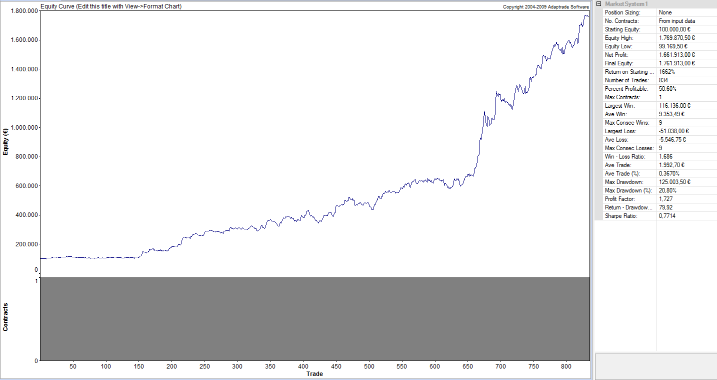
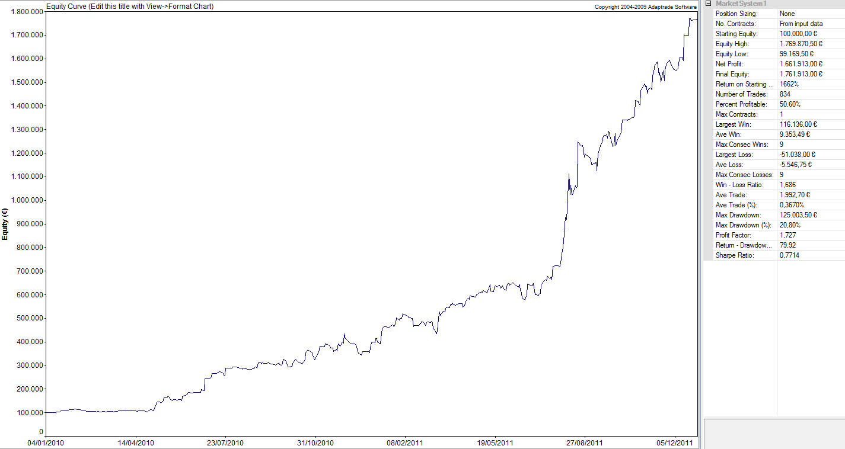

MARKET SYSTEM: DOGEN MM

ACCOUNT SETTINGS
Starting Equity: 100.000,00 €
Trading Vehicle: Futures
Initial Margin: 31.500,00 €
Round-turn slippage per contract: 0,00 €
Round-turn commissions and fees per contract: 0,00 €
...

ANALISIS DE MONTECARLO
ANALISIS DE MONTECARLO

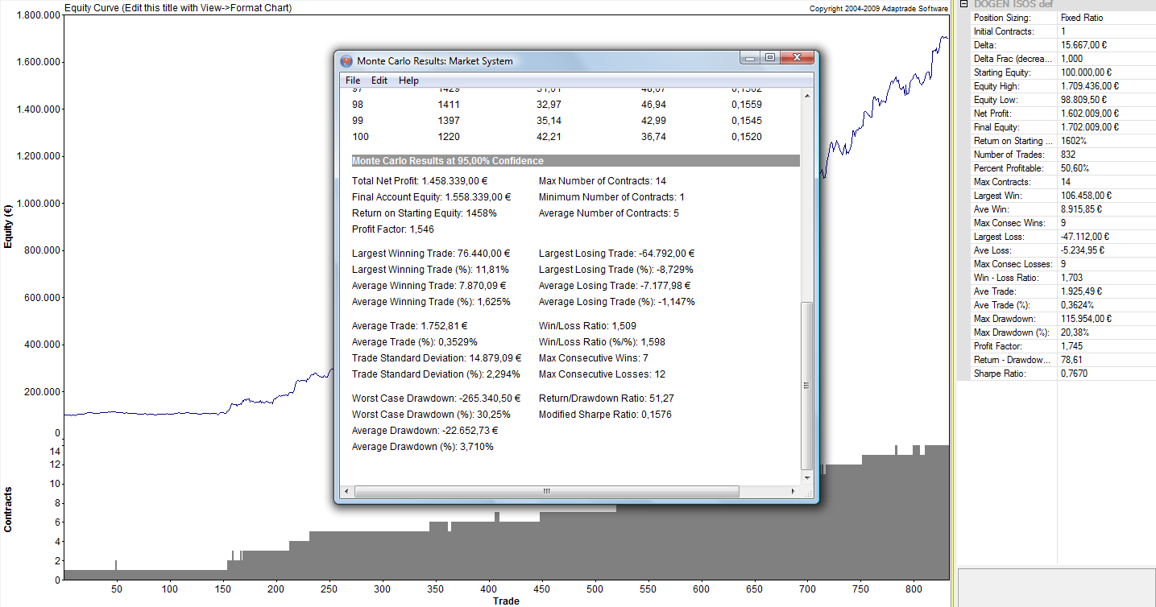

Para realizar el análisis de Montecarlo utilizamos la serie de OS con el MM implementado en porcentuales, obteniendo una gráfica logarítmica y de ahí el análisis de Montecarlo
Una manera más exigente de hacerlo sería coger todo el OS e introducirle el delta más agresivo de los obtenidos en la tabla. Aplicarlo y de ahí obtener el análisis de Montecarlo. Por simplicidad, es el enfoque que hemos cogido aquí

MARKET SYSTEM: DOGEN ISOS DEF

TRADING PARAMETERS
Initial Account Equity: 100.000,00 €
Trading Vehicle: Futures
Initial Margin: 31.500,00 €
Round-turn slippage per contract: 0,00 €
Round-turn commissions and fees per contract: 0,00 €

Position Sizing Method: Fixed Ratio
Initial Contracts: 1
Delta: 15.667,00 €
Number of Monte Carlo Samples: 500
...
Average Trade: 1.752,81 € | Win/Loss Ratio: 1,509
Average Trade (%): 0,3529% | Win/Loss Ratio (%/%): 1,598
Trade Standard Deviation: 14.879,09 € | Max Consecutive Wins: 7
Trade Standard Deviation (%): 2,294% | Max Consecutive Losses: 12

Worst Case Drawdown: -265.340,50 € | Return/Drawdown Ratio: 51,27
Worst Case Drawdown (%): 30,25% | Modified Sharpe Ratio: 0,1576
Average Drawdown: -22.652,73 €
Average Drawdown (%): 3,710%

Vemos como obtenemos un DD inferior al objetivo marcado desde el inicio.

